Figure 6.1
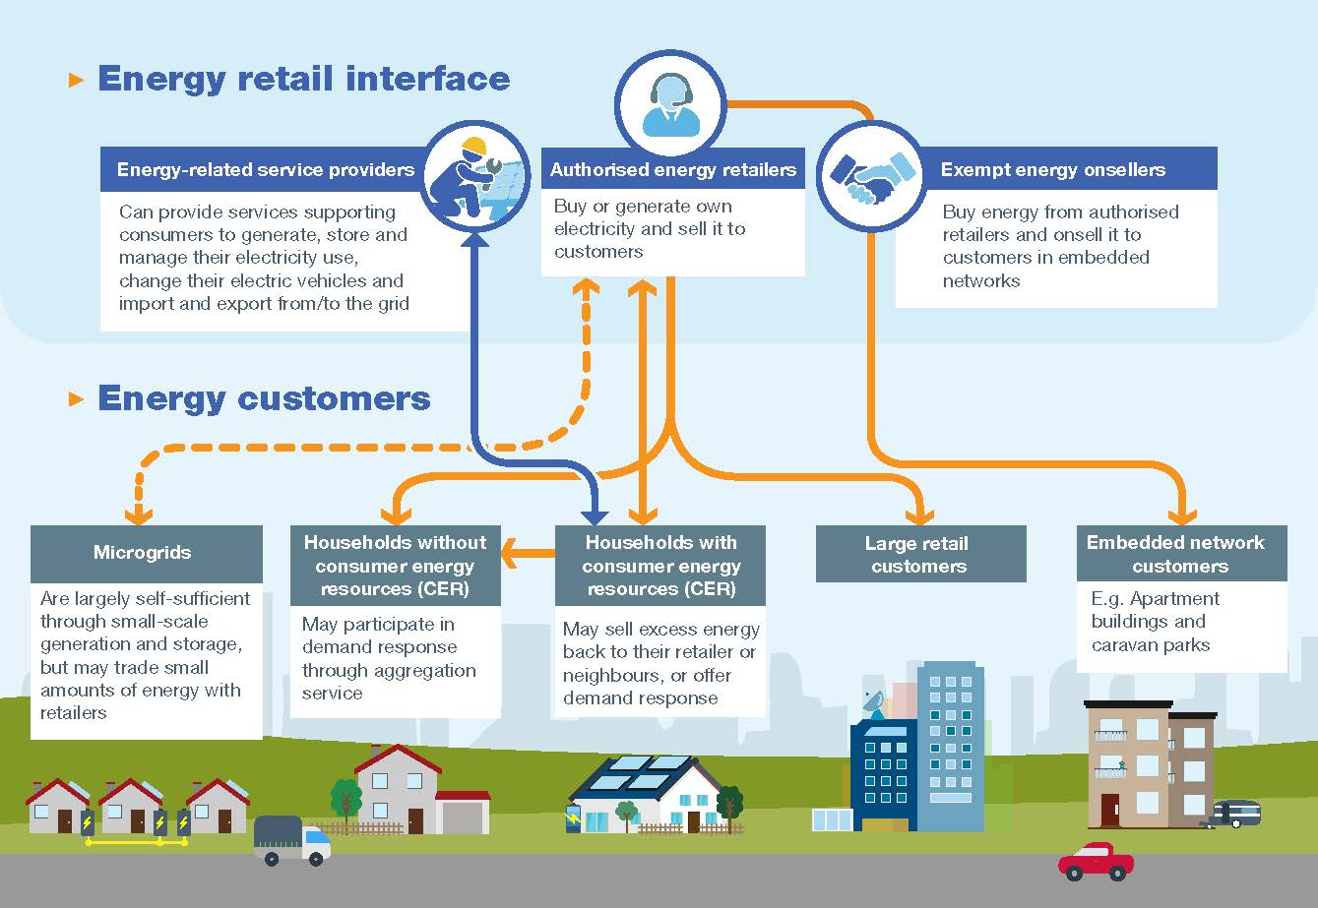
To contents page
Figure 6.1 Retail energy market supply chain

Figure 6.2
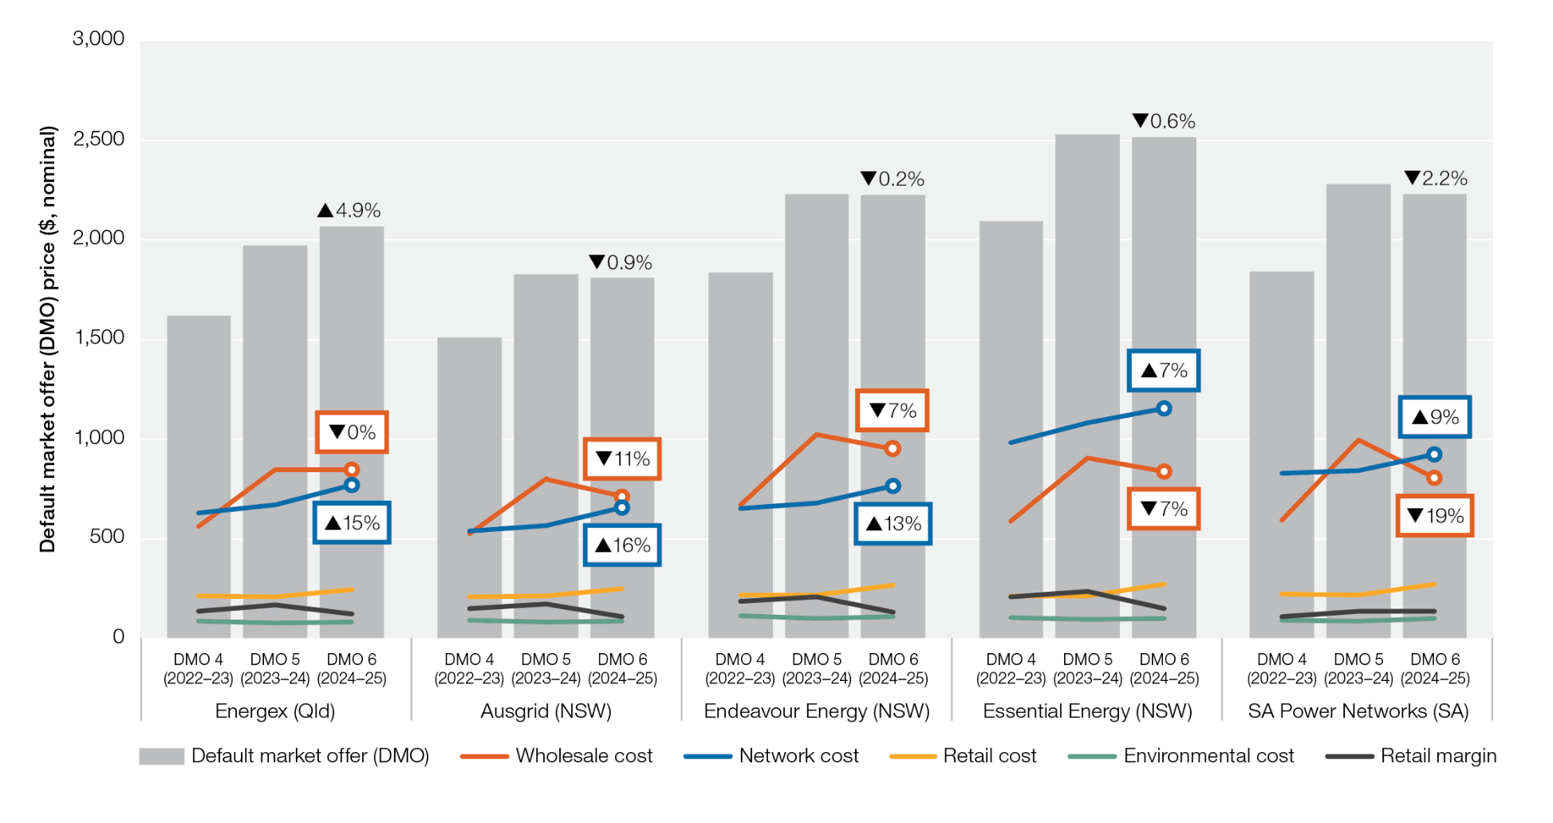
To contents page
Figure 6.2 Components of the default market offer

Note: Comparison of cost components calculated for the 2022–23 (DMO 4), 2023–24 (DMO 5) prices and 2024–25 (DMO 6) prices, for residential customers without controlled load. Prices include GST. Values are nominal. In previous years this data was measured in cents per kilowatt hour and included totals for all NEM regions, enabling like-for-like comparison to Figure 6.3. As at September 2024, this data was unavailable for 2024.
Source: AER, Default market offer prices 2023–24, July 2024.

 | Energex (Qld) |  |  | Ausgrid (NSW) |  |  | Endeavour Energy (NSW) |  |  | Essential Energy (NSW) |  |  | SA Power Networks (SA)
 | DMO 4 (2022–23) | DMO 5 (2023–24) | DMO 6 (2024–25) | DMO 4 (2022–23) | DMO 5 (2023–24) | DMO 6 (2024–25) | DMO 4 (2022–23) | DMO 5 (2023–24) | DMO 6 (2024–25) | DMO 4 (2022–23) | DMO 5 (2023–24) | DMO 6 (2024–25) | DMO 4 (2022–23) | DMO 5 (2023–24) | DMO 6 (2024–25)
Default market offer (DMO) | $1,620 | $1,969 | $2,066 | $1,512 | $1,827 | $1,810 | $1,836 | $2,228 | $2,223 | $2,092 | $2,527 | $2,513 | $1,840 | $2,279 | $2,230
Retail margin | $136 | $165 | $124 | $151 | $170 | $109 | $184 | $207 | $133 | $209 | $235 | $151 | $110 | $137 | $134
Network cost | $627 | $669 | $768 | $538 | $565 | $657 | $654 | $679 | $765 | $980 | $1,083 | $1,155 | $827 | $843 | $922
Wholesale cost | $559 | $848 | $848 | $524 | $801 | $712 | $670 | $1,024 | $949 | $587 | $903 | $839 | $592 | $998 | $806
Environmental cost | $87 | $77 | $84 | $89 | $80 | $84 | $112 | $102 | $107 | $103 | $94 | $98 | $90 | $85 | $98
Retail cost | $211 | $209 | $242 | $209 | $211 | $248 | $217 | $217 | $269 | $213 | $212 | $270 | $221 | $217 | $271

Figure 6.3
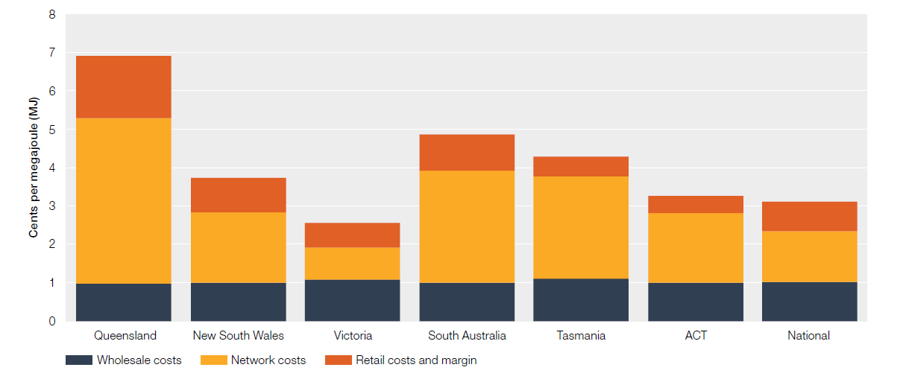
To contents page
Figure 6.3 Composition of a residential bill – gas

Note: Data are estimates at 2017. Average residential customer prices excluding GST (real $2018–19). Percentages may not add to 100% due to rounding.
Source: Oakley Greenwood, Gas price trends review 2017, March 2018.

 | Cents per MJ
 | Queensland | New South Wales | Victoria | South Australia | Tasmania | ACT | National | National
Wholesale costs | 0.97 | 1.00 | 1.09 | 0.99 | 1.09 | 1.00 | 1.02 | 1.02
Network costs | 4.31 | 1.82 | 0.84 | 2.93 | 2.67 | 1.81 | 1.33 | 1.33
Retail costs and margin | 1.62 | 0.91 | 0.63 | 0.94 | 0.51 | 0.44 | 0.77 | 0.77
Total | 6.9 | 3.7 | 2.5 | 4.9 | 4.3 | 3.3 | 3.1 | 3.1
 | Chart scaling assistant | 7.0 | 7.0 | 7.0 | 7.0 | 7.0 | 7.0 | 7.0

Figure 6.4
To contents page
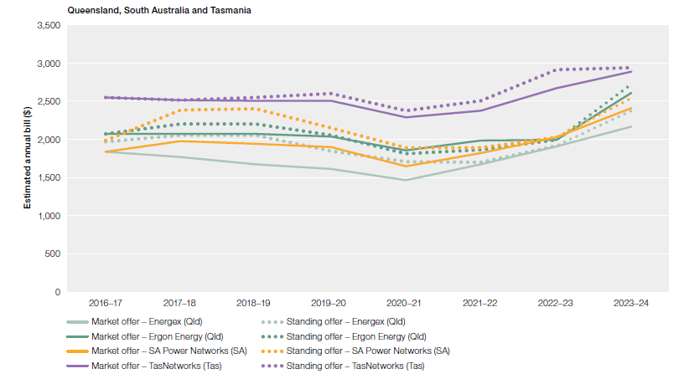
Figure 6.4 Electricity bills for customers on market and standing offers

Note: Ergon Energy’s standing offer prices are set by the Queensland Competition Authority (QCA). TasNetworks’ standing offer prices are set by the Office of the Tasmanian Economic Regulator (OTTER). Standing offer prices on the Victorian distribution networks are set by the Essential Services Commission (ESC). Evoenergy’s standing offer prices are set by the Independent Competition and Regulatory Commission (ICRC). Energex, SA Power Networks, Ausgrid, Endeavour Energy and Essential Energy’s standing offer prices are set by the retailers (capped at DMO). Based on single rate offers for residential customers and average consumption in each distribution area. Average consumption for 2020–21 has been applied to all periods. Some offers listed may not be available to all customers in a distribution area. The AER will update its analysis on more recent offers in the Annual retail performance report 2024. On Ergon Energy’s network a few market offers are available and some offers are restricted to specific geographic areas.
Source: AER analysis using offer data from Energy Made Easy (AER) and Victorian Energy Compare (DELWP). Consumption based on Economic benchmarking regulatory information notice (RIN) responses.

 | 2016–17 | 2017–18 | 2018–19 | 2019–20 | 2020–21 | 2021–22 | 2022–23 | 2023–24
Market offer – Ausgrid (NSW) | $1,606 | $1,757 | $1,737 | $1,636 | $1,492 | $1,721 | $1,956 | $2,089
Market offer – AusNet Services (Vic) | $1,580 | $1,613 | $1,681 | $1,715 | $1,563 | $1,571 | $1,850 | $1,900
Market offer – CitiPower (Vic) | $1,251 | $1,289 | $1,330 | $1,351 | $1,240 | $1,239 | $1,355 | $1,413
Market offer – Endeavour Energy (NSW) | $1,719 | $1,820 | $1,785 | $1,721 | $1,570 | $1,759 | $2,108 | $2,304
Market offer – Energex (Qld) | $1,836 | $1,767 | $1,669 | $1,605 | $1,463 | $1,667 | $1,905 | $2,164
Market offer – Ergon Energy (Qld) | $2,067 | $2,073 | $2,066 | $2,032 | $1,851 | $1,985 | $1,989 | $2,609
Market offer – Essential Energy (NSW) | $2,027 | $2,131 | $2,112 | $2,084 | $1,971 | $2,233 | $2,567 | $2,794 | –
Market offer – Evoenergy (ACT) | $1,388 | $1,692 | $1,703 | $1,819 | $1,864 | $1,937 | $2,160 | $2,211
Market offer – Jemena (Vic) | $1,337 | $1,391 | $1,388 | $1,430 | $1,273 | $1,264 | $1,412 | $1,515
Market offer – Powercor (Vic) | $1,511 | $1,557 | $1,607 | $1,600 | $1,445 | $1,415 | $1,608 | $1,733
Market offer – SA Power Networks (SA) | $1,836 | $1,977 | $1,939 | $1,897 | $1,644 | $1,814 | $2,030 | $2,407
Market offer – TasNetworks (Tas) | $2,547 | $2,512 | $2,501 | $2,508 | $2,283 | $2,375 | $2,672 | $2,887
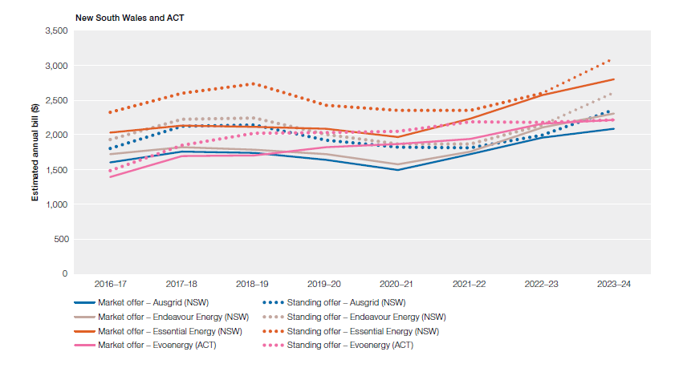
Market offer – United Energy (Vic) | $1,360 | $1,398 | $1,428 | $1,496 | $1,318 | $1,277 | $1,452 | $1,524
Standing offer – Ausgrid (NSW) | $1,804 | $2,118 | $2,144 | $1,925 | $1,818 | $1,813 | $1,997 | $2,361
Standing offer – AusNet Services (Vic) | $1,946 | $2,270 | $2,270 | $1,905 | $1,798 | $1,744 | $1,877 | $2,311
Standing offer – CitiPower (Vic) | $1,582 | $1,754 | $1,744 | $1,509 | $1,417 | $1,383 | $1,368 | $1,657
Standing offer – Endeavour Energy (NSW) | $1,935 | $2,226 | $2,238 | $2,004 | $1,864 | $1,863 | $2,143 | $2,608
Standing offer – Energex (Qld) | $1,967 | $2,050 | $2,050 | $1,848 | $1,704 | $1,700 | $1,916 | $2,370
Standing offer – Ergon Energy (Qld) | $2,067 | $2,201 | $2,201 | $2,054 | $1,809 | $1,864 | $1,989 | $2,722
Standing offer – Essential Energy (NSW) | $2,323 | $2,596 | $2,732 | $2,422 | $2,355 | $2,354 | $2,601 | $3,102
Standing offer – Evoenergy (ACT) | $1,481 | $1,848 | $2,019 | $2,035 | $2,047 | $2,185 | $2,175 | $2,218
Standing offer – Jemena (Vic) | $1,767 | $1,913 | $1,897 | $1,598 | $1,478 | $1,426 | $1,436 | $1,833
Standing offer – Powercor (Vic) | $1,988 | $2,126 | $2,194 | $1,777 | $1,660 | $1,604 | $1,640 | $2,085
Standing offer – SA Power Networks (SA) | $1,984 | $2,385 | $2,401 | $2,145 | $1,891 | $1,890 | $2,030 | $2,542
Standing offer – TasNetworks (Tas) | $2,547 | $2,512 | $2,544 | $2,595 | $2,375 | $2,505 | $2,914 | $2,939
Standing offer – United Energy (Vic) | $1,739 | $1,908 | $1,934 | $1,690 | $1,500 | $1,423 | $1,467 | $1,831

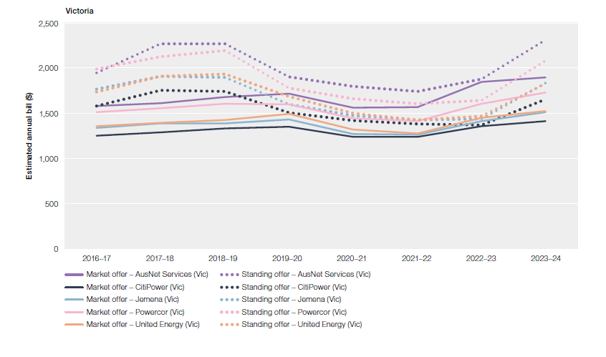

 | NSW
 |  | Median
 | Ausgrid | 1932 |  |  |  |  | Market offer – Ausgrid (NSW)
 | Ausgrid | 1997 |  |  |  |  | Market offer – AusNet Services (Vic)
 | Endeavour | 2087 |  |  |  |  | Market offer – CitiPower (Vic)
 | Endeavour | 2147 |  |  |  |  | Market offer – Endeavour Energy (NSW)
 | Essential Energy | 2527 |  |  |  |  | Market offer – Energex (Qld)
 | Essential Energy | 2614 |  |  |  |  | Market offer – Ergon Energy (Qld)
 | QLD |  |  |  |  |  | Market offer – Essential Energy (NSW)
 | Energex | 1904 |  |  |  |  | Market offer – Evoenergy (ACT)
 | Energex | 1922 |  |  |  |  | Market offer – Jemena (Vic)
 | Ergon | 1945 |  |  |  |  | Market offer – Powercor (Vic)
 | ACT |  |  |  |  |  | Market offer – SA Power Networks (SA)
 | Evoenergy Electricity | 2100 |  |  |  |  | Market offer – TasNetworks (Tas)
 | Evoenergy Electricity | 2175 |  |  |  |  | Market offer – United Energy (Vic)
 | SA
 | SA Power Networks | 2022 |  |  |  |  | Standing offer – Ausgrid (NSW)
 | SA Power Networks | 2029 |  |  |  |  | Standing offer – AusNet Services (Vic)
 | TAS |  |  |  |  |  | Standing offer – CitiPower (Vic)
 | TasNetworks | 2610 |  |  |  |  | Standing offer – Endeavour Energy (NSW)
 | TasNetworks | 3168 |  |  |  |  | Standing offer – Energex (Qld)
 | VIC |  |  |  |  |  | Standing offer – Ergon Energy (Qld)
 | AusNet Services | 1672 |  |  |  |  | Standing offer – Essential Energy (NSW)
 | AusNet Services | 1738 |  |  |  |  | Standing offer – Evoenergy (ACT)
 | Citipower | 1414 |  |  |  |  | Standing offer – Jemena (Vic)
 | Citipower | 1467 |  |  |  |  | Standing offer – Powercor (Vic)
 | Jemena | 1378 |  |  |  |  | Standing offer – SA Power Networks (SA)
 | Jemena | 1436 |  |  |  |  | Standing offer – TasNetworks (Tas)
 | Powercor | 1571 |  |  |  |  | Standing offer – United Energy (Vic)
 | Powercor | 1640
 | United Energy | 1409
 | United Energy | 1467

Figure 6.5
To contents page
Figure 6.5 Gas bills for customers on market and standing offers

Note: Based on offers for residential customers and estimated consumption in each jurisdiction.
Source: AER analysis using offer data from Energy Made Easy (AER) and Victorian Energy Compare (DELWP). Consumption based on Frontier Economics report to the AER, Residential energy consumption benchmarks, December 2020.

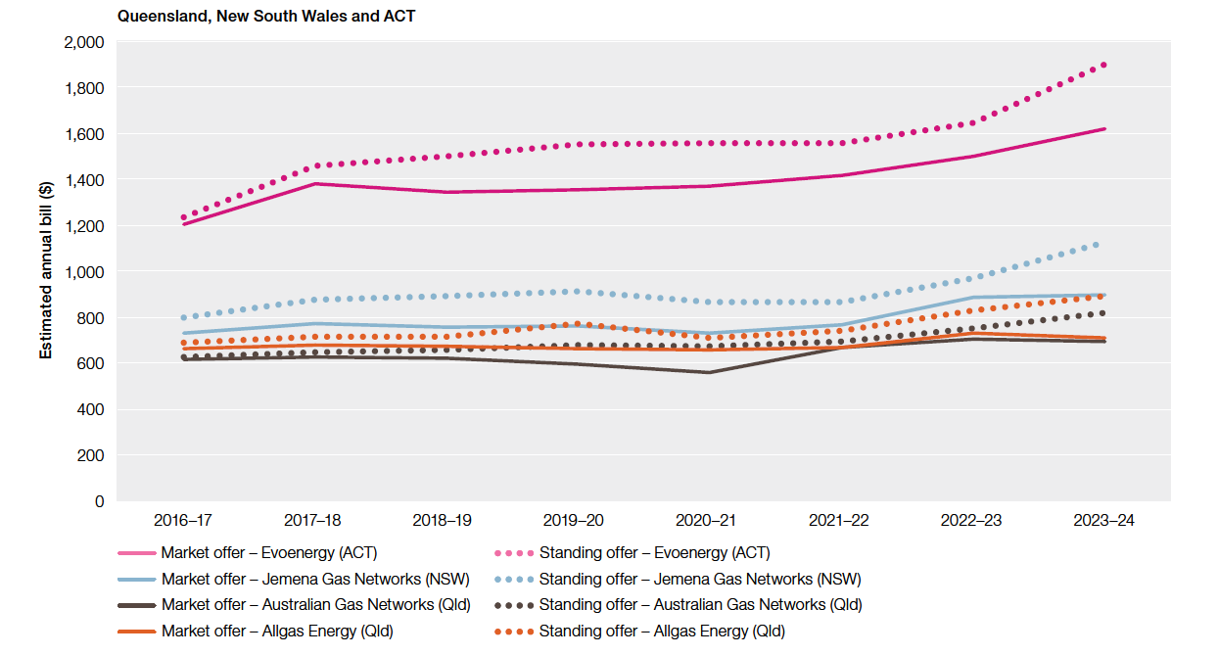
 | 2016–17 | 2017–18 | 2018–19 | 2019–20 | 2020–21 | 2021–22 | 2022–23 | 2023–24
Market offer – Evoenergy (ACT) | $1,205 | $1,382 | $1,343 | $1,353 | $1,369 | $1,416 | $1,498 | $1,621
Standing offer – Evoenergy (ACT) | $1,235 | $1,456 | $1,500 | $1,553 | $1,556 | $1,558 | $1,647 | $1,898
Market offer – Jemena Gas Networks (NSW) | $730 | $772 | $755 | $764 | $733 | $765 | $888 | $899
Standing offer – Jemena Gas Networks (NSW) | $800 | $877 | $890 | $911 | $866 | $866 | $970 | $1,124
Market offer – Australian Gas Networks (Qld) | $616 | $629 | $624 | $598 | $560 | $670 | $703 | $693
Standing offer – Australian Gas Networks (Qld) | $625 | $647 | $655 | $678 | $672 | $695 | $751 | $821
Market offer – Allgas Energy (Qld) | $662 | $680 | $672 | $663 | $656 | $670 | $729 | $710
Standing offer – Allgas Energy (Qld) | $687 | $714 | $714 | $774 | $708 | $743 | $827 | $891
Market offer – Australian Gas Networks (SA) | $852 | $904 | $902 | $935 | $932 | $957 | $1,098 | $1,235
Standing offer – Australian Gas Networks (SA) | $910 | $980 | $980 | $1,027 | $1,054 | $1,061 | $1,171 | $1,309
Market offer – AusNet Services (Vic) | $1,236 | $1,302 | $1,326 | $1,288 | $1,265 | $1,378 | $1,504 | $1,915
Standing offer – AusNet Services (Vic) | $1,387 | $1,537 | $1,608 | $1,684 | $1,601 | $1,667 | $1,646 | $2,340
Market offer – Australian Gas Networks (Vic) | $1,302 | $1,344 | $1,375 | $1,355 | $1,274 | $1,393 | $1,540 | $1,901
Standing offer – Australian Gas Networks (Vic) | $1,438 | $1,616 | $1,662 | $1,750 | $1,656 | $1,713 | $1,713 | $2,262
Market offer – Multinet Gas Networks (Vic) | $1,230 | $1,317 | $1,332 | $1,304 | $1,299 | $1,418 | $1,566 | $1,986
Standing offer – Multinet Gas Networks (Vic) | $1,385 | $1,563 | $1,636 | $1,708 | $1,687 | $1,742 | $1,755 | $2,344

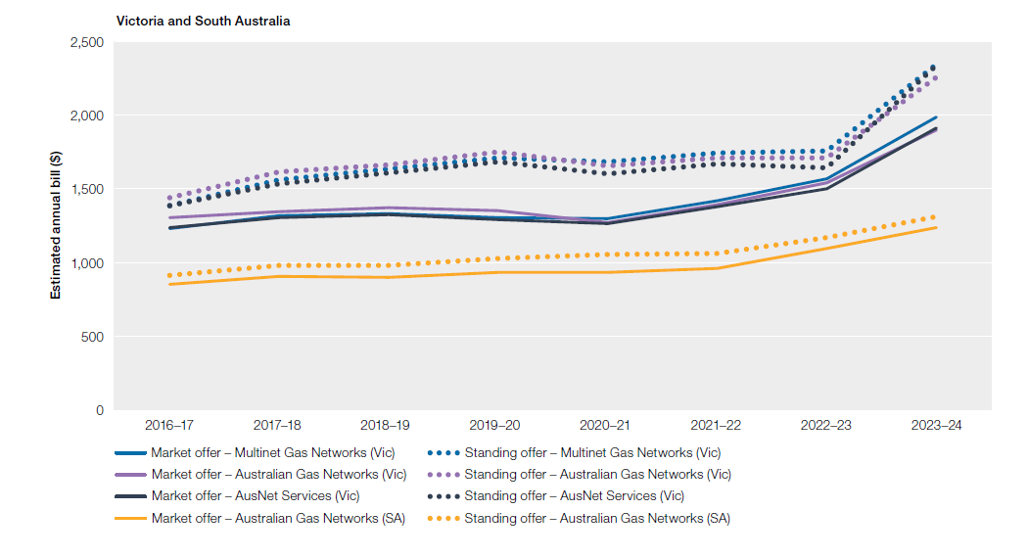

NSW
 |  | Median
Jemena Gas (NSW) | M | 939.47 |  |  | Market offer – Evoenergy (ACT)
Jemena Gas (NSW) | S | 998.49 |  |  | Standing offer – Evoenergy (ACT)
QLD |  |  |  |  | Market offer – Jemena Gas Networks (NSW)
Allgas Energy (QLD) | M | 763.66 |  |  | Standing offer – Jemena Gas Networks (NSW)
Allgas Energy (QLD) | S | 844.40 |  |  | Market offer – Australian Gas Networks (Qld)
Australian Gas Networks (QLD) | M | 732.47 |  |  | Standing offer – Australian Gas Networks (Qld)
Australian Gas Networks (QLD) | S
ACT
Evoenergy Gas (ACT) | M
Evoenergy Gas (ACT) | S
SA
Australian Gas Networks (SA) | M
Australian Gas Networks (SA) | S | 1249.74 |  |  | Market offer – AusNet Services (Vic)
VIC |  |  |  |  | Standing offer – AusNet Services (Vic)
AusNet Services (gas) | M | 1994.94 |  |  | Market offer – Australian Gas Networks (Vic)
AusNet Services (gas) | S | 2252.02 |  |  | Standing offer – Australian Gas Networks (Vic)
Australian Gas Networks | M | 2013.65 |  |  | Market offer – Multinet Gas Networks (Vic)
Australian Gas Networks | S | 2271.72 |  |  | Standing offer – Multinet Gas Networks (Vic)
Multinet | M | 2071.44
Multinet | S | 2321.46

Figure 6.6
To contents page
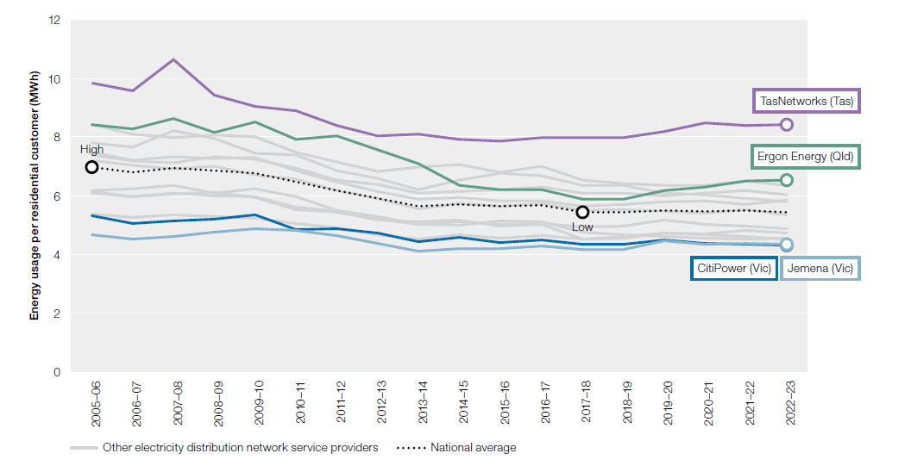
Figure 6.6 Energy use per residential customer – electricity
Note: MWh: megawatt hour.
Source: Regulatory information notices (RIN) responses.

 | 2005–06 | 2006–07 | 2007–08 | 2008–09 | 2009–10 | 2010–11 | 2011–12 | 2012–13 | 2013–14 | 2014–15 | 2015–16 | 2016–17 | 2017–18 | 2018–19 | 2019–20 | 2020–21 | 2021–22 | 2022-23
Ausgrid (New South Wales) | 7 MWh | 7 MWh | 7 MWh | 7 MWh | 7 MWh | 7 MWh | 6 MWh | 6 MWh | 6 MWh | 6 MWh | 6 MWh | 6 MWh | 5 MWh | 6 MWh | 5 MWh | 5 MWh | 6 MWh | 5 MWh
AusNet Services (Vic) | 6 MWh | 6 MWh | 6 MWh | 6 MWh | 6 MWh | 6 MWh | 5 MWh | 5 MWh | 5 MWh | 5 MWh | 5 MWh | 5 MWh | 5 MWh | 5 MWh | 5 MWh | 5 MWh | 5 MWh | 5 MWh
CitiPower (Vic) | 5 MWh | 5 MWh | 5 MWh | 5 MWh | 5 MWh | 5 MWh | 5 MWh | 5 MWh | 4 MWh | 5 MWh | 4 MWh | 5 MWh | 4 MWh | 4 MWh | 4 MWh | 4 MWh | 4 MWh | 4 MWh
Endeavour Energy (New South Wales) | 8 MWh | 8 MWh | 8 MWh | 8 MWh | 7 MWh | 7 MWh | 7 MWh | 7 MWh | 6 MWh | 7 MWh | 7 MWh | 7 MWh | 6 MWh | 6 MWh | 6 MWh | 6 MWh | 6 MWh | 6 MWh
Energex (Qld) | 7 MWh | 7 MWh | 7 MWh | 7 MWh | 7 MWh | 7 MWh | 6 MWh | 6 MWh | 6 MWh | 6 MWh | 6 MWh | 6 MWh | 6 MWh | 6 MWh | 6 MWh | 6 MWh | 6 MWh | 6 MWh
Ergon Energy (Qld) | 8 MWh | 8 MWh | 9 MWh | 8 MWh | 9 MWh | 8 MWh | 8 MWh | 8 MWh | 7 MWh | 6 MWh | 6 MWh | 6 MWh | 6 MWh | 6 MWh | 6 MWh | 6 MWh | 6 MWh | 7 MWh
Essential Energy (New South Wales) | 7 MWh | 7 MWh | 7 MWh | 7 MWh | 7 MWh | 7 MWh | 7 MWh | 6 MWh | 6 MWh | 6 MWh | 6 MWh | 6 MWh | 6 MWh | 6 MWh | 6 MWh | 6 MWh | 6 MWh | 6 MWh
Evoenergy (ACT) | 8 MWh | 8 MWh | 8 MWh | 8 MWh | 8 MWh | 7 MWh | 7 MWh | 7 MWh | 7 MWh | 7 MWh | 7 MWh | 7 MWh | 7 MWh | 6 MWh | 6 MWh | 6 MWh | 6 MWh | 6 MWh
Jemena (Vic) | 5 MWh | 5 MWh | 5 MWh | 5 MWh | 5 MWh | 5 MWh | 5 MWh | 4 MWh | 4 MWh | 4 MWh | 4 MWh | 4 MWh | 4 MWh | 4 MWh | 4 MWh | 4 MWh | 4 MWh | 4 MWh
Powercor (Vic) | 6 MWh | 6 MWh | 6 MWh | 6 MWh | 6 MWh | 6 MWh | 5 MWh | 5 MWh | 5 MWh | 5 MWh | 5 MWh | 5 MWh | 5 MWh | 5 MWh | 5 MWh | 5 MWh | 5 MWh | 5 MWh
SA Power Networks (SA) | 6 MWh | 6 MWh | 6 MWh | 6 MWh | 6 MWh | 6 MWh | 5 MWh | 5 MWh | 5 MWh | 5 MWh | 5 MWh | 5 MWh | 5 MWh | 5 MWh | 5 MWh | 5 MWh | 5 MWh | 5 MWh
TasNetworks (Tas) | 10 MWh | 10 MWh | 11 MWh | 9 MWh | 9 MWh | 9 MWh | 8 MWh | 8 MWh | 8 MWh | 8 MWh | 8 MWh | 8 MWh | 8 MWh | 8 MWh | 8 MWh | 8 MWh | 8 MWh | 8 MWh
United Energy (Vic) | 5 MWh | 5 MWh | 5 MWh | 5 MWh | 5 MWh | 5 MWh | 5 MWh | 5 MWh | 5 MWh | 5 MWh | 5 MWh | 5 MWh | 5 MWh | 5 MWh | 5 MWh | 5 MWh | 5 MWh | 5 MWh
National | 7 MWh | 7 MWh | 7 MWh | 7 MWh | 7 MWh | 6 MWh | 6 MWh | 6 MWh | 6 MWh | 6 MWh | 6 MWh | 6 MWh | 5 MWh | 5 MWh | 5 MWh | 5 MWh | 5 MWh | 5 MWh

Figure 6.7
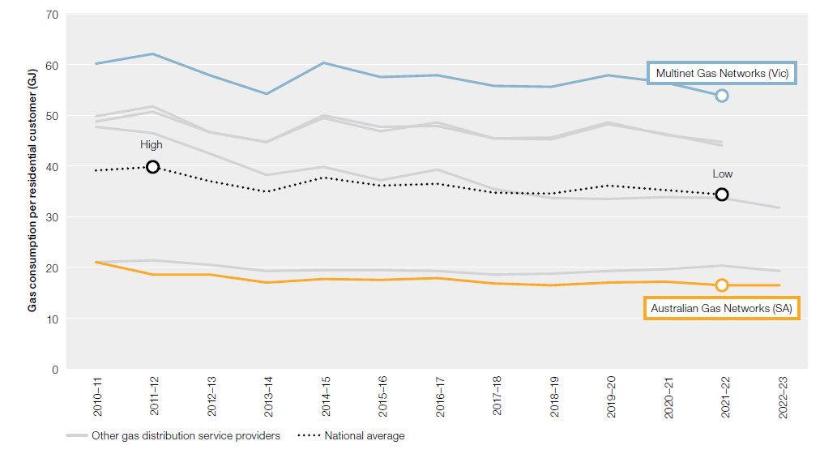
To contents page
Figure 6.7 Energy use per residential customer – gas
Note: GJ: gigajoule.
Source: Regulatory information notices (RIN) responses.

 | 2010–11 | 2011–12 | 2012–13 | 2013–14 | 2014–15 | 2015–16 | 2016–17 | 2017–18 | 2018–19 | 2019–20 | 2020–21 | 2021–22 | 2022–23
Jemena Gas Networks (New South Wales) | 21 GJ | 21 GJ | 20 GJ | 19 GJ | 19 GJ | 19 GJ | 19 GJ | 19 GJ | 19 GJ | 19 GJ | 20 GJ | 20 GJ | 19 GJ
Evoenergy (ACT) | 48 GJ | 46 GJ | 42 GJ | 38 GJ | 40 GJ | 37 GJ | 39 GJ | 35 GJ | 34 GJ | 33 GJ | 34 GJ | 34 GJ | 32 GJ
Australian Gas Networks (SA) | 21 GJ | 19 GJ | 19 GJ | 17 GJ | 18 GJ | 18 GJ | 18 GJ | 17 GJ | 16 GJ | 17 GJ | 17 GJ | 16 GJ | 16 GJ
Australian Gas Networks (Vic) | 50 GJ | 52 GJ | 47 GJ | 45 GJ | 49 GJ | 47 GJ | 49 GJ | 45 GJ | 46 GJ | 49 GJ | 46 GJ | 45 GJ
AusNet Services (Vic) | 49 GJ | 51 GJ | 47 GJ | 45 GJ | 50 GJ | 48 GJ | 48 GJ | 45 GJ | 45 GJ | 48 GJ | 46 GJ | 44 GJ
Multinet Gas Networks (Vic) | 60 GJ | 62 GJ | 58 GJ | 54 GJ | 60 GJ | 57 GJ | 58 GJ | 56 GJ | 56 GJ | 58 GJ | 56 GJ | 54 GJ
National average | 39 GJ | 40 GJ | 37 GJ | 35 GJ | 38 GJ | 36 GJ | 36 GJ | 35 GJ | 34 GJ | 36 GJ | 35 GJ | 34 GJ

Figure 6.8
To contents page
Figure 6.8 Electricity use, by residential customer type

Note: kWh: kilowatt hour.
Source: ACCC, Inquiry into the National Electricity Market, June 2024.

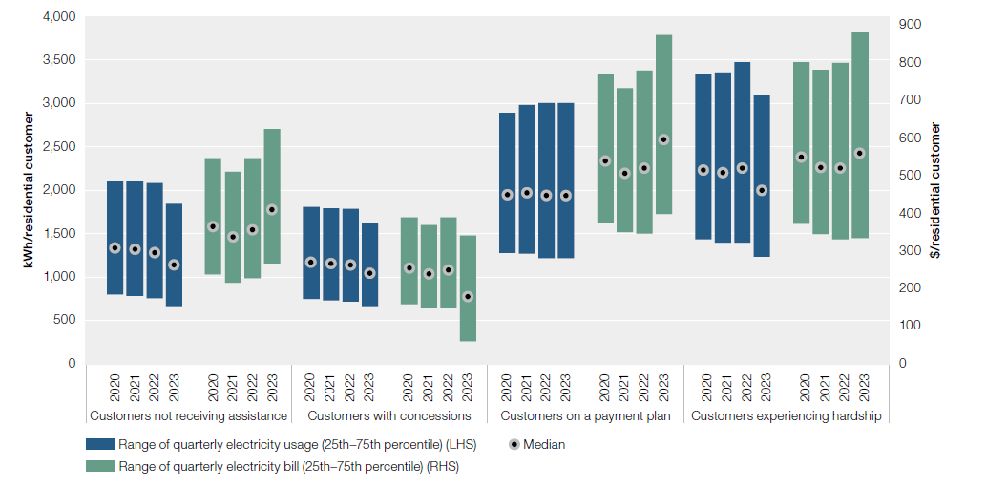
 |  | Quarterly grid usage by residential customer groups |  |  | Quarterly bills for residential customer groups
 |  | 25th percentile | Median usage | 75th percentile | 25th percentile | Median bill | 75th percentile
Customers with concessions | 2020 Q3 | 742 kWh | 1,157 kWh | 1,791 kWh | $155 | $251 | $383
 | 2021 Q3 | 729 kWh | 1,151 kWh | 1,796 kWh | $148 | $239 | $370
 | 2022 Q3 | 714 kWh | 1,141 kWh | 1,784 kWh | $147 | $248 | $390
 | 2023 Q3 | 665 kWh | 1,044 kWh | 1,622 kWh | $60 | $178 | $341
Customers experiencing hardship | 2020 Q3 | 1,407 kWh | 2,202 kWh | 3,300 kWh | $373 | $554 | $814
 | 2021 Q3 | 1,397 kWh | 2,204 kWh | 3,361 kWh | $345 | $522 | $782
 | 2022 Q3 | 1,395 kWh | 2,252 kWh | 3,475 kWh | $332 | $520 | $801
 | 2023 Q3 | 1,236 kWh | 2,002 kWh | 3,101 kWh | $335 | $560 | $884
Customers on a payment plan | 2020 Q3 | 1,230 kWh | 1,978 kWh | 3,039 kWh | $372 | $535 | $767
 | 2021 Q3 | 1,268 kWh | 1,967 kWh | 2,983 kWh | $350 | $506 | $733
 | 2022 Q3 | 1,216 kWh | 1,936 kWh | 3,003 kWh | $346 | $520 | $780
 | 2023 Q3 | 1,118 kWh | 1,751 kWh | 2,659 kWh | $398 | $596 | $876
Customers not receiving assistance | 2020 Q3 | 795 kWh | 1,337 kWh | 2,120 kWh | $258 | $388 | $574
 | 2021 Q3 | 782 kWh | 1,317 kWh | 2,099 kWh | $215 | $337 | $511
 | 2022 Q3 | 753 kWh | 1,281 kWh | 2,084 kWh | $227 | $356 | $547
 | 2023 Q3 | 665 kWh | 1,136 kWh | 1,846 kWh | $268 | $409 | $624

Figure 6.9
To contents page
Figure 6.9 Affordability of median market offers – electricity

Note: Based on offers for residential customers in each jurisdiction. Average household consumption for the financial year ending June of each period was used in annual bill calculations. Proportion refers to mean disposable income. Use of average incomes across jurisdictions may overstate affordability in regional areas, where average incomes are typically lower than across the jurisdiction more broadly.
Source: Offer data from Energy Made Easy (AER) and Victorian Energy Compare (DELWP). Consumption estimates based on Economic benchmarking regulatory information notice (RIN). Income data are unpublished ABS estimates of household disposable income.

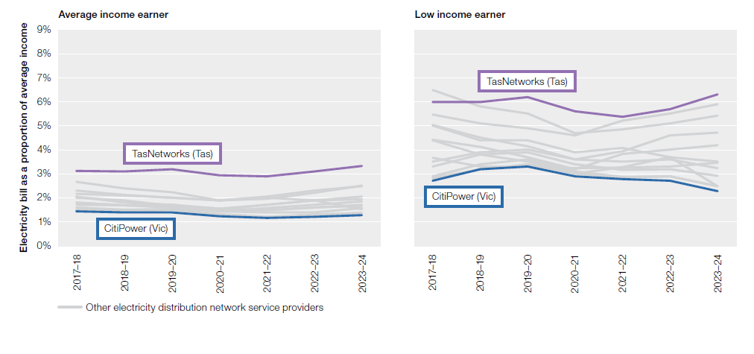
 | Average income earner
 | 2016–17 | 2017–18 | 2018–19 | 2019–20 | 2020–21 | 2021–22 | 2022-23 | 2023-24
Energex (Qld) | 2.1% | 2.1% | 1.8% | 1.7% | 1.5% | 1.7% | 1.9% | 1.5%
Ergon Energy (Qld) | 2.4% | 2.3% | 2.1% | 2.0% | 1.9% | 2.0% | 1.9% | 1.9%
Ausgrid (New South Wales) | 1.7% | 1.8% | 1.7% | 1.6% | 1.4% | 1.6% | 1.7% | 1.9%
Endeavour Energy (New South Wales) | 1.9% | 2.0% | 1.9% | 1.7% | 1.5% | 1.7% | 1.9% | 2.0%
Essential Energy (New South Wales) | 2.1% | 2.2% | 2.1% | 2.0% | 1.9% | 2.1% | 2.3% | 2.5%
Evoenergy (ACT) | 1.4% | 1.6% | 1.5% | 1.5% | 1.5% | 1.5% | 1.6% | 1.7%
SA Power Networks (SA) | 2.5% | 2.7% | 2.4% | 2.2% | 1.9% | 2.0% | 2.2% | 2.5%
TasNetworks (Tas) | 3.3% | 3.1% | 3.1% | 3.2% | 2.9% | 2.9% | 3.1% | 3.3%
AusNet Services (Vic) | 1.8% | 1.8% | 1.7% | 1.7% | 1.5% | 1.5% | 1.6% | 1.7%
CitiPower (Vic) | 1.4% | 1.4% | 1.4% | 1.4% | 1.2% | 1.2% | 1.2% | 1.3%
Jemena (Vic) | 1.4% | 1.5% | 1.4% | 1.5% | 1.3% | 1.2% | 1.3% | 1.4%
Powercor (Vic) | 1.7% | 1.7% | 1.7% | 1.6% | 1.4% | 1.4% | 1.4% | 1.6%
United Energy (Vic) | 1.5% | 1.5% | 1.5% | 1.5% | 1.3% | 1.2% | 1.3% | 1.4%
 | Gap |  |  |  |  |  |  |  | 1
 | Low income earner
 | 2016–17 | 2017–18 | 2018–19 | 2019–20 | 2020–21 | 2021–22 | 2022-23 | 2023-24
Energex (Qld) | 4.5% | 4.4% | 3.8% | 3.5% | 3.0% | 3.3% | 3.7% | 2.5%
Ergon Energy (Qld) | 5.1% | 5.0% | 4.4% | 4.4% | 3.9% | 4.1% | 3.7% | 3.5%
Ausgrid (New South Wales) | 4.0% | 4.4% | 4.1% | 3.7% | 3.2% | 3.8% | 4.0% | 4.2%
Endeavour Energy (New South Wales) | 4.6% | 5.0% | 4.5% | 4.1% | 3.6% | 3.9% | 4.6% | 4.7%
Essential Energy (New South Wales) | 5.1% | 5.5% | 5.1% | 4.9% | 4.6% | 5.2% | 5.5% | 5.9%
Evoenergy (ACT) | 2.8% | 3.7% | 3.3% | 3.3% | 3.2% | 3.3% | 3.3% | 3.5%
SA Power Networks (SA) | 6.0% | 6.5% | 5.8% | 5.5% | 4.7% | 4.9% | 5.1% | 5.4%
TasNetworks (Tas) | 6.1% | 6.0% | 6.0% | 6.2% | 5.6% | 5.4% | 5.7% | 6.3%
AusNet Services (Vic) | 3.6% | 3.5% | 3.9% | 4.0% | 3.6% | 3.5% | 3.6% | 3.2%
CitiPower (Vic) | 2.6% | 2.7% | 3.2% | 3.3% | 2.9% | 2.8% | 2.7% | 2.3%
Jemena (Vic) | 2.7% | 2.8% | 3.2% | 3.4% | 3.0% | 2.8% | 2.9% | 2.5%
Powercor (Vic) | 3.3% | 3.3% | 3.8% | 3.9% | 3.4% | 3.2% | 3.2% | 2.9%
United Energy (Vic) | 2.8% | 2.9% | 3.4% | 3.6% | 3.1% | 2.9% | 2.9% | 2.5%

Figure 6.10
To contents page
Figure 6.10 Affordability of median market offers – gas

Note: Based on single rate offers for residential customers and average consumption in each distribution area. Using mean disposable income for all and low-income households by state or territory. Use of average incomes across jurisdictions may overstate affordability in regional areas, where average incomes are typically lower than across the jurisdiction more broadly.
Source: Offer data from Energy Made Easy (AER) and Victorian Energy Compare (DELWP). Income data are unpublished ABS estimates of household disposable income. Consumption based on Frontier Economics report to the AER, Residential energy consumption benchmarks, December 2020.

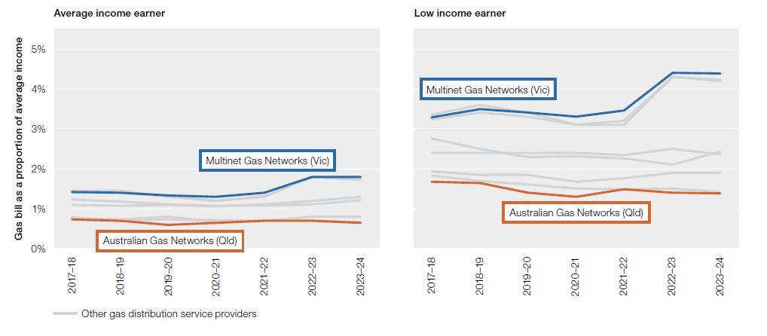
 | Average income earner
 | 2016–17 | 2017–18 | 2018–19 | 2019–20 | 2020–21 | 2021–22 | 2022-23 | 2023-24
Jemena Gas Networks (NSW) | 0.7% | 0.8% | 0.7% | 0.8% | 0.7% | 0.7% | 0.8% | 0.8%
Evoenergy (ACT) | 1.1% | 1.2% | 1.2% | 1.1% | 1.1% | 1.1% | 1.1% | 1.2%
AusNet Services (Vic) | 1.4% | 1.4% | 1.4% | 1.3% | 1.2% | 1.3% | 1.8% | 1.7%
Australian Gas Networks (Vic) | 1.4% | 1.5% | 1.4% | 1.3% | 1.2% | 1.3% | 1.8% | 1.7%
Multinet Gas Networks (Vic) | 1.4% | 1.4% | 1.4% | 1.3% | 1.3% | 1.4% | 1.8% | 1.8%
Australian Gas Networks (SA) | 1.1% | 1.1% | 1.1% | 1.1% | 1.1% | 1.1% | 1.2% | 1.3%
Australian Gas Networks (Qld) | 0.7% | 0.7% | 0.7% | 0.6% | 0.6% | 0.7% | 0.7% | 0.7%
Allgas Energy (Qld) | 0.8% | 0.8% | 0.7% | 0.7% | 0.7% | 0.7% | 0.7% | 0.7%
 |  |  |  |  |  |  |  |  | 1
 | Low income earner
Gas distribution businesses | 2016–17 | 2017–18 | 2018–19 | 2019–20 | 2020–21 | 2021–22 | 2022-23 | 2023-24
Jemena Gas Networks (NSW) | 1.8% | 1.9% | 1.8% | 1.8% | 1.7% | 1.8% | 1.9% | 1.9%
Evoenergy (ACT) | 2.2% | 2.8% | 2.5% | 2.3% | 2.3% | 2.3% | 2.1% | 2.4%
AusNet Services (Vic) | 3.2% | 3.2% | 3.4% | 3.3% | 3.1% | 3.1% | 4.3% | 4.2%
Australian Gas Networks (Vic) | 3.3% | 3.4% | 3.6% | 3.4% | 3.1% | 3.2% | 4.3% | 4.2%
Multinet Gas Networks (Vic) | 3.2% | 3.3% | 3.5% | 3.4% | 3.3% | 3.5% | 4.4% | 4.4%
Australian Gas Networks (SA) | 2.3% | 2.4% | 2.4% | 2.4% | 2.4% | 2.3% | 2.5% | 2.4%
Australian Gas Networks (Qld) | 1.6% | 1.7% | 1.6% | 1.4% | 1.3% | 1.5% | 1.4% | 1.4%
Allgas Energy (Qld) | 1.8% | 1.8% | 1.7% | 1.6% | 1.5% | 1.5% | 1.5% | 1.4%

Figure 6.11
To contents page
Figure 6.11 Residential customers in energy debt

Note: Based on customers with an amount owing to a retailer that has been outstanding for 90 days or more. Excludes customers that have entered into hardship programs
Source: AER, Quarterly retail performance report, Q3 2023–24, June 2024.
 | Number of customers repaying energy debt
 | 2016–17 | 2017–18 | 2018–19 | 2019–20 | 2020–21 | 2021–22 | 2022-23 | Jul – Sep 2023 | Oct – Dec 2023 | Jan – Mar 2024
ACT | 11,646 | 10,015 | 7,521 | 6,327 | 5,493 | 4,884 | 5,333 | 4,637 | 6,734 | 7,133
New South Wales | 122,997 | 101,047 | 78,196 | 96,518 | 92,786 | 89,274 | 102,772 | 98,813 | 107,760 | 114,276
Queensland | 51,890 | 39,085 | 34,101 | 36,865 | 47,956 | 41,744 | 46,135 | 35,561 | 34,466 | 42,751
South Australia | 38,541 | 31,242 | 23,151 | 26,774 | 27,645 | 23,182 | 27,812 | 25,837 | 29,103 | 29,862
Tasmania | 3,562 | 3,710 | 4,292 | 7,727 | 8,785 | 11,464 | 14,675 | 14,862 | 14,396 | 14,358

 | Average energy debt per customer
 | 2016–17 | 2017–18 | 2018–19 | 2019–20 | 2020–21 | 2021–22 | 2022-23 | Jul – Sep 2023 | Oct – Dec 2023 | Jan – Mar 2024
ACT | $703 | $768 | $793 | $726 | $757 | $722 | $815 | $810 | $780 | $795
New South Wales | $631 | $855 | $784 | $906 | $1,028 | $1,046 | $1,001 | $1,087 | $1,106 | $1,167
Queensland | $549 | $680 | $670 | $743 | $751 | $755 | $784 | $969 | $972 | $832
South Australia | $761 | $1,212 | $1,044 | $1,119 | $1,277 | $1,321 | $1,256 | $1,336 | $1,281 | $1,379
Tasmania | $756 | $776 | $892 | $886 | $1,355 | $961 | $1,067 | $1,024 | $863 | $844
 | Jurisdiction |  | RGB
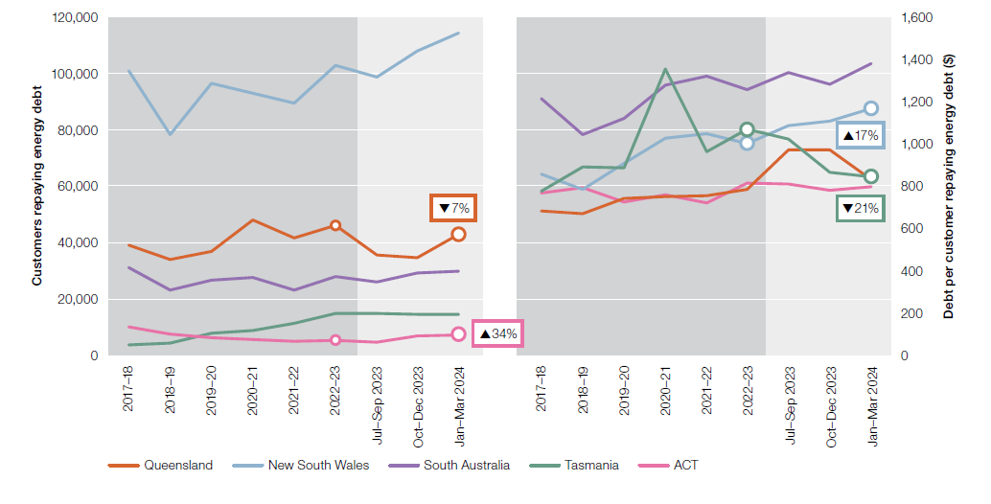
 | Queensland |  | 224 | 96 | 31
 | New South Wales |  | 137 | 179 | 206
 | Victoria |  | 47 | 63 | 81
 | South Australia |  | 251 | 169 | 39
 | Tasmania |  | 95 | 158 | 136
 | ACT |  | 210 | 20 | 125

Figure 6.12
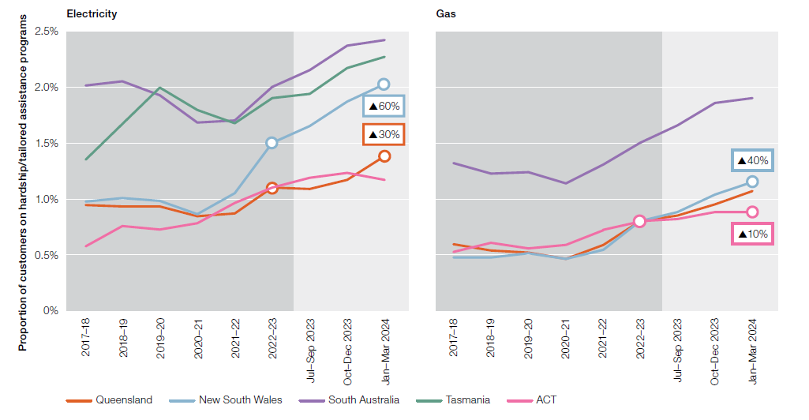
To contents page
Figure 6.12 Residential customers on hardship programs

Note: The y axis represents % of customers in hardship and the percentage movements identified in the charts correlate with movements in percentages. Source: AER, Quarterly retail performance report, Q3 2023–24, June 2024.
Source: AER, Quarterly retail performance report, Q3 2023–24, June 2024.

Source: AER, Retail markets quarterly, Q1 2021–22, December 2021; ESC, Victorian energy market report 2020–21, November 2021.
 | Electricity
 | 2016–17 | 2017–18 | 2018–19 | 2019–20 | 2020–21 | 2021–22 | 2022-23 | Jul – Sep 2023 | Oct – Dec 2023 | Jan – Mar 2024
ACT | 0.4% | 0.6% | 0.8% | 0.7% | 0.8% | 1.0% | 1.1% | 1.2% | 1.2% | 1.2%
New South Wales | 0.8% | 1.0% | 1.0% | 1.0% | 0.9% | 1.1% | 1.5% | 1.7% | 1.9% | 2.0%
Queensland | 1.0% | 0.9% | 0.9% | 0.9% | 0.8% | 0.9% | 1.1% | 1.1% | 1.2% | 1.4%
South Australia | 1.5% | 2.0% | 2.1% | 1.9% | 1.7% | 1.7% | 2.0% | 2.2% | 2.4% | 2.4%
Tasmania | 0.9% | 1.3% | 1.7% | 2.0% | 1.8% | 1.7% | 1.9% | 1.9% | 2.2% | 2.3%
Gap |  |  |  |  |  |  |  | 1 | 1 | 1 | 1
 | Gas
 | 2016–17 | 2017–18 | 2018–19 | 2019–20 | 2020–21 | 2021–22 | 2022-23 | Jul – Sep 2023 | Oct – Dec 2023 | Jan – Mar 2024
ACT | 0.5% | 0.5% | 0.6% | 0.6% | 0.6% | 0.7% | 0.8% | 0.8% | 0.9% | 0.9%
New South Wales | 0.5% | 0.5% | 0.5% | 0.5% | 0.5% | 0.5% | 0.8% | 0.9% | 1.0% | 1.2%
Queensland | 0.6% | 0.6% | 0.5% | 0.5% | 0.5% | 0.6% | 0.8% | 0.9% | 1.0% | 1.1%
South Australia | 1.0% | 1.3% | 1.2% | 1.2% | 1.1% | 1.3% | 1.5% | 1.7% | 1.9% | 1.9%

Figure 6.13
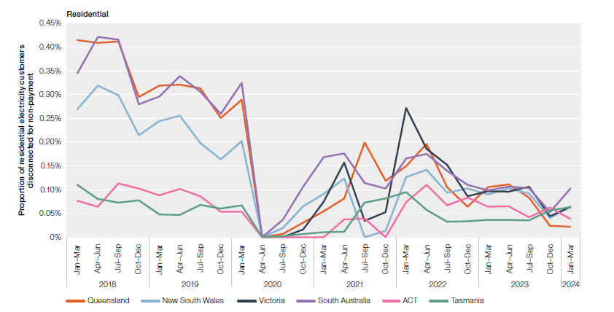
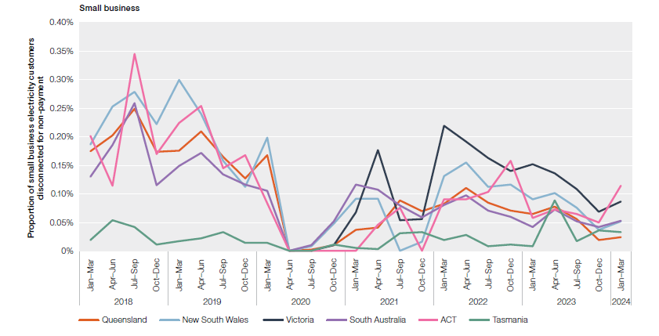
To contents page
Figure 6.13 Disconnection for failure to pay – electricity

Note: Based on customers with an amount owing to a retailer that has been outstanding for 90 days or more, at 31 March 2024, for all states except Victoria, which is at 30 June 2024.
Source: AER, Quarterly retail performance report, Q3 2023–24, June 2024; ESC, Victorian energy market dashboard and historical data, accessed 30 June 2024.

 | Residential
 | 2018 |  |  |  | 2019 |  |  |  | 2020 |  |  |  | 2021 |  |  |  | 2022 |  |  |  | 2023 |  |  |  | 2024
 | Jul–Sep | Oct–Dec | Jul–Sep | Oct–Dec | Jan–Mar | Apr–Jun | Jul–Sep | Oct–Dec | Jan–Mar | Apr–Jun | Jul–Sep | Oct–Dec | Jan–Mar | Apr–Jun | Jul–Sep | Oct–Dec | Jan–Mar | Apr–Jun | Jul–Sep | Oct–Dec | Jan–Mar | Apr–Jun | Jul–Sep | Oct–Dec | Jan–Mar
Queensland | 0.41% | 0.41% | 0.41% | 0.30% | 0.32% | 0.32% | 0.31% | 0.25% | 0.29% | 0.00% | 0.01% | 0.03% | 0.05% | 0.08% | 0.20% | 0.12% | 0.15% | 0.20% | 0.11% | 0.06% | 0.11% | 0.11% | 0.08% | 0.02% | 0.02%
New South Wales | 0.27% | 0.32% | 0.30% | 0.21% | 0.24% | 0.26% | 0.20% | 0.16% | 0.20% | 0.00% | 0.02% | 0.07% | 0.09% | 0.12% | 0.00% | 0.01% | 0.13% | 0.14% | 0.09% | 0.10% | 0.09% | 0.10% | 0.09% | 0.04% | 0.06%
Victoria |  |  |  |  |  |  |  |  |  |  | 0.00% | 0.02% | 0.08% | 0.16% | 0.03% | 0.05% | 0.27% | 0.19% | 0.15% | 0.09% | 0.10% | 0.10% | 0.11% | 0.04% | 0.06%
South Australia | 0.34% | 0.42% | 0.42% | 0.28% | 0.30% | 0.34% | 0.31% | 0.26% | 0.32% | 0.00% | 0.04% | 0.11% | 0.17% | 0.18% | 0.11% | 0.10% | 0.17% | 0.17% | 0.14% | 0.11% | 0.10% | 0.11% | 0.10% | 0.05% | 0.10%
ACT | 0.08% | 0.06% | 0.11% | 0.10% | 0.09% | 0.10% | 0.09% | 0.05% | 0.05% | 0.00% | 0.00% | 0.00% | 0.00% | 0.04% | 0.04% | 0.00% | 0.07% | 0.11% | 0.07% | 0.08% | 0.06% | 0.07% | 0.04% | 0.06% | 0.04%
Tasmania | 0.11% | 0.08% | 0.07% | 0.08% | 0.05% | 0.05% | 0.07% | 0.06% | 0.07% | 0.00% | 0.00% | 0.01% | 0.01% | 0.01% | 0.07% | 0.08% | 0.10% | 0.06% | 0.03% | 0.03% | 0.04% | 0.04% | 0.04% | 0.06% | 0.06%

 | Small business
 | 2018 |  |  |  | 2019 |  |  |  | 2020 |  |  |  | 2021 |  |  |  | 2022 |  |  |  | 2023 |  |  |  | 2024
 | Jul–Sep | Oct–Dec | Jul–Sep | Oct–Dec | Jan–Mar | Apr–Jun | Jul–Sep | Oct–Dec | Jan–Mar | Apr–Jun | Jul–Sep | Oct–Dec | Jan–Mar | Apr–Jun | Jul–Sep | Oct–Dec | Jan–Mar | Apr–Jun | Jul–Sep | Oct–Dec | Jan–Mar | Apr–Jun | Jul–Sep | Oct–Dec | Jan–Mar
Queensland | 0.18% | 0.20% | 0.25% | 0.17% | 0.18% | 0.21% | 0.16% | 0.13% | 0.17% | 0.00% | 0.00% | 0.01% | 0.04% | 0.04% | 0.09% | 0.07% | 0.08% | 0.11% | 0.08% | 0.07% | 0.06% | 0.08% | 0.06% | 0.02% | 0.02%
New South Wales | 0.19% | 0.25% | 0.28% | 0.22% | 0.30% | 0.24% | 0.16% | 0.11% | 0.20% | 0.00% | 0.01% | 0.05% | 0.09% | 0.09% | 0.00% | 0.02% | 0.13% | 0.16% | 0.11% | 0.12% | 0.09% | 0.10% | 0.08% | 0.04% | 0.05%
Victoria |  |  |  |  |  |  |  |  |  |  | 0.00% | 0.01% | 0.07% | 0.18% | 0.05% | 0.06% | 0.22% | 0.19% | 0.16% | 0.14% | 0.15% | 0.14% | 0.11% | 0.07% | 0.09%
South Australia | 0.13% | 0.19% | 0.26% | 0.11% | 0.15% | 0.17% | 0.13% | 0.12% | 0.10% | 0.00% | 0.01% | 0.05% | 0.12% | 0.11% | 0.08% | 0.06% | 0.08% | 0.10% | 0.07% | 0.06% | 0.04% | 0.07% | 0.05% | 0.04% | 0.05%
ACT | 0.20% | 0.11% | 0.35% | 0.17% | 0.22% | 0.25% | 0.15% | 0.17% | 0.08% | 0.00% | 0.00% | 0.00% | 0.00% | 0.05% | 0.08% | 0.00% | 0.09% | 0.09% | 0.10% | 0.16% | 0.06% | 0.07% | 0.06% | 0.05% | 0.11%
Tasmania | 0.02% | 0.05% | 0.04% | 0.01% | 0.02% | 0.02% | 0.03% | 0.01% | 0.01% | 0.00% | 0.00% | 0.01% | 0.01% | 0.00% | 0.03% | 0.03% | 0.02% | 0.03% | 0.01% | 0.01% | 0.01% | 0.09% | 0.02% | 0.04% | 0.03%

Figure 6.14
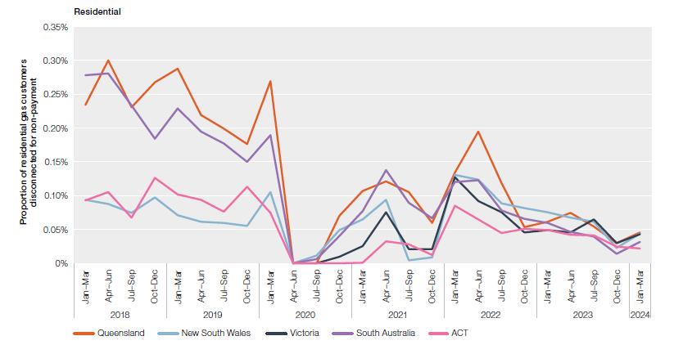
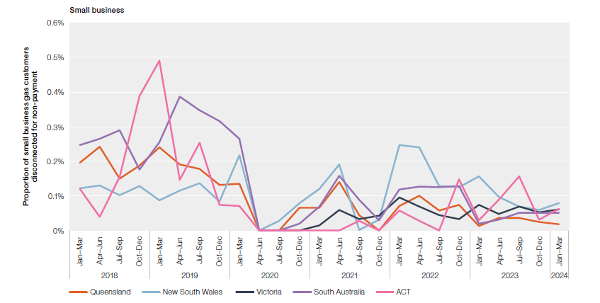
To contents page
Figure 6.14 Disconnection for failure to pay – gas

Note: Based on customers with an amount owing to a retailer that has been outstanding for 90 days or more, at 31 March 2024, for all states except Victoria, which is at June 2024.
Source: AER, Quarterly retail performance report, Q3 2023–24, June 2024; ESC, Victorian energy market dashboard and historical data, accessed 30 June 2024.

 | Residential
 | 2018 |  |  |  | 2019 |  |  |  | 2020 |  |  |  | 2021 |  |  |  | 2022 |  |  |  | 2023 |  |  |  | 2024
 | Jul–Sep | Oct–Dec | Jul–Sep | Oct–Dec | Jan–Mar | Apr–Jun | Jul–Sep | Oct–Dec | Jan–Mar | Apr–Jun | Jul–Sep | Oct–Dec | Jan–Mar | Apr–Jun | Jul–Sep | Oct–Dec | Jan–Mar | Apr–Jun | Jul–Sep | Oct–Dec | Jan–Mar | Apr–Jun | Jul–Sep | Oct–Dec | Jan–Mar
Queensland | 0.23% | 0.30% | 0.23% | 0.27% | 0.29% | 0.22% | 0.20% | 0.18% | 0.27% | 0.00% | 0.00% | 0.07% | 0.11% | 0.12% | 0.11% | 0.06% | 0.13% | 0.20% | 0.12% | 0.05% | 0.06% | 0.07% | 0.05% | 0.03% | 0.05%
New South Wales | 0.09% | 0.09% | 0.07% | 0.10% | 0.07% | 0.06% | 0.06% | 0.06% | 0.11% | 0.00% | 0.01% | 0.05% | 0.06% | 0.09% | 0.00% | 0.01% | 0.13% | 0.12% | 0.09% | 0.08% | 0.08% | 0.07% | 0.06% | 0.02% | 0.04%
Victoria |  |  |  |  |  |  |  |  |  |  | 0.00% | 0.01% | 0.03% | 0.08% | 0.02% | 0.02% | 0.13% | 0.09% | 0.08% | 0.05% | 0.05% | 0.05% | 0.06% | 0.03% | 0.04%
South Australia | 0.28% | 0.28% | 0.23% | 0.18% | 0.23% | 0.19% | 0.18% | 0.15% | 0.19% | 0.00% | 0.01% | 0.04% | 0.08% | 0.14% | 0.09% | 0.07% | 0.12% | 0.12% | 0.08% | 0.07% | 0.06% | 0.05% | 0.04% | 0.01% | 0.03%
ACT | 0.09% | 0.11% | 0.07% | 0.13% | 0.10% | 0.09% | 0.08% | 0.11% | 0.07% | 0.00% | 0.00% | 0.00% | 0.00% | 0.03% | 0.03% | 0.01% | 0.08% | 0.07% | 0.04% | 0.05% | 0.05% | 0.04% | 0.04% | 0.02% | 0.02%

 | Small business
 | 2018 |  |  |  | 2019 |  |  |  | 2020 |  |  |  | 2021 |  |  |  | 2022 |  |  |  | 2023 |  |  |  | 2024
 | Jul–Sep | Oct–Dec | Jul–Sep | Oct–Dec | Jan–Mar | Apr–Jun | Jul–Sep | Oct–Dec | Jan–Mar | Apr–Jun | Jul–Sep | Oct–Dec | Jan–Mar | Apr–Jun | Jul–Sep | Oct–Dec | Jan–Mar | Apr–Jun | Jul–Sep | Oct–Dec | Jan–Mar | Apr–Jun | Jul–Sep | Oct–Dec | Jan–Mar
Queensland | 0.20% | 0.24% | 0.15% | 0.19% | 0.24% | 0.19% | 0.18% | 0.13% | 0.14% | 0.00% | 0.00% | 0.07% | 0.07% | 0.14% | 0.04% | 0.00% | 0.07% | 0.10% | 0.06% | 0.07% | 0.01% | 0.04% | 0.04% | 0.02% | 0.02%
New South Wales | 0.12% | 0.13% | 0.10% | 0.13% | 0.09% | 0.11% | 0.14% | 0.08% | 0.22% | 0.00% | 0.03% | 0.08% | 0.12% | 0.19% | 0.00% | 0.03% | 0.25% | 0.24% | 0.13% | 0.13% | 0.16% | 0.10% | 0.07% | 0.06% | 0.08%
Victoria |  |  |  |  |  |  |  |  |  |  | 0.00% | 0.00% | 0.01% | 0.06% | 0.03% | 0.04% | 0.09% | 0.07% | 0.04% | 0.03% | 0.07% | 0.05% | 0.07% | 0.05% | 0.06%
South Australia | 0.25% | 0.27% | 0.29% | 0.18% | 0.25% | 0.39% | 0.35% | 0.32% | 0.26% | 0.00% | 0.00% | 0.02% | 0.07% | 0.16% | 0.09% | 0.03% | 0.12% | 0.13% | 0.13% | 0.13% | 0.02% | 0.03% | 0.05% | 0.05% | 0.05%
ACT | 0.12% | 0.04% | 0.15% | 0.39% | 0.49% | 0.15% | 0.25% | 0.07% | 0.07% | 0.00% | 0.00% | 0.00% | 0.00% | 0.00% | 0.03% | 0.00% | 0.06% | 0.03% | 0.00% | 0.15% | 0.03% | 0.09% | 0.16% | 0.03% | 0.06%

Figure 6.15
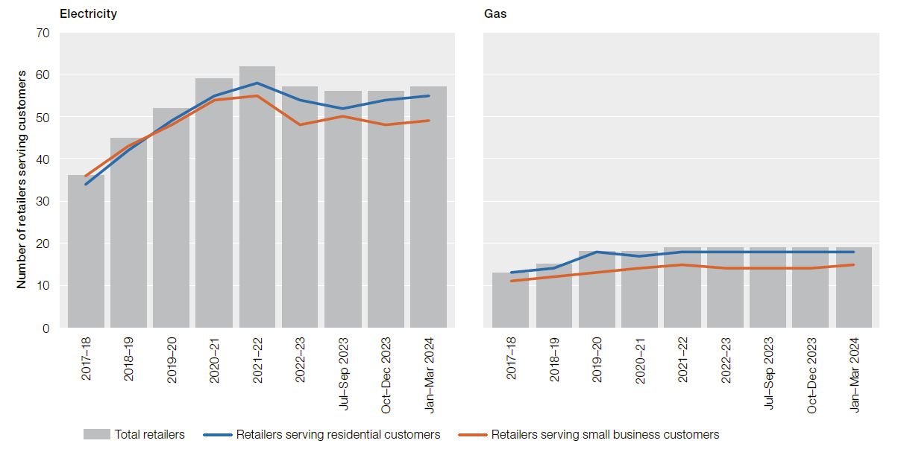
To contents page
Figure 6.15 Energy market – number of retail brands

Source: AER, Quarterly retail performance report, Q3 2023–24, June 2024; ESC, Victorian energy market dashboard and historical data, accessed 30 June 2024.

 | Electricity
 | 2016–17 | 2017–18 | 2018–19 | 2019–20 | 2020–21 | 2021–22 | 2022-23 | Jul – Sep 2023 | Oct – Dec 2023 | Jan – Mar 2024
Retailers serving residential customers | 32 | 34 | 42 | 49 | 55 | 58 | 54 | 52 | 54 | 55
Retailers serving small business customers | 31 | 36 | 43 | 48 | 54 | 55 | 48 | 50 | 48 | 49
Total retailers | 33 | 36 | 45 | 52 | 59 | 62 | 57 | 56 | 56 | 57 | 70

 | Gas
 | 2016–17 | 2017–18 | 2018–19 | 2019–20 | 2020–21 | 2021–22 | 2022-23 | Jul – Sep 2023 | Oct – Dec 2023 | Jan – Mar 2024
Retailers serving residential customers | 13 | 13 | 14 | 18 | 17 | 18 | 18 | 18 | 18 | 18
Retailers serving small business customers | 12 | 11 | 12 | 13 | 14 | 15 | 14 | 14 | 14 | 15
Total retailers | 14 | 13 | 15 | 18 | 18 | 19 | 19 | 19 | 19 | 19

Figure 6.16
To contents page
Figure 6.16 Energy retail market share – electricity

Note: All data as of 31 March 2024. Data includes customers in Queensland, NSW, South Australia, Tasmania and the ACT. Some differences may occur between annual and quarterly data to account for retailers revising their data when making their annual submission.
Source: AER, Retail markets quarterly, Q3 2023–24, June 2024.

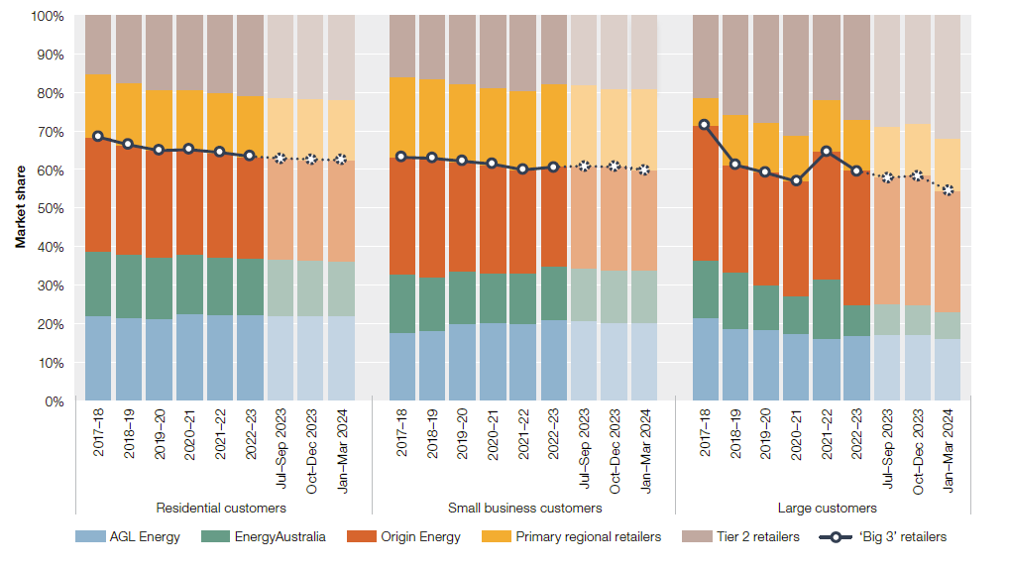
 |  | AGL Energy | EnergyAustralia | Origin Energy | Primary regional retailers | Tier 2 retailers | 'Big 3' retailers
Residential customers | 2017–18 | 1,378,777 | 1,062,092 | 1,869,626 | 1,035,004 | 958,458 | 68%
 | 2018–19 | 1,376,845 | 1,059,276 | 1,826,581 | 1,033,341 | 1,127,606 | 66%
 | 2019–20 | 1,390,017 | 1,044,384 | 1,831,948 | 1,042,572 | 1,257,485 | 65%
 | 2020–21 | 1,499,550 | 1,024,747 | 1,820,543 | 1,043,888 | 1,273,995 | 65%
 | 2021–22 | 1,501,903 | 1,006,277 | 1,825,234 | 1,047,349 | 1,351,431 | 64%
 | 2022-23 | 1,518,827 | 995,394 | 1,791,957 | 1,068,433 | 1,428,399 | 63%
 | Jul – Sep 2023 | 1,499,977 | 1,001,176 | 1,791,281 | 1,070,594 | 1,464,068 | 63%
 | Oct – Dec 2023 | 1,493,588 | 993,226 | 1,802,677 | 1,078,207 | 1,482,546 | 63%
 | Jan – Mar 2024 | 1,496,817 | 981,793 | 1,815,533 | 1,068,449 | 1,502,221 | 63%
Small business customers | 2017–18 | 115,706 | 100,607 | 198,443 | 136,561 | 104,762 | 63%
 | 2018–19 | 119,559 | 91,164 | 203,026 | 135,087 | 108,146 | 63%
 | 2019–20 | 132,691 | 90,458 | 189,904 | 134,074 | 118,060 | 62%
 | 2020–21 | 134,161 | 87,299 | 189,234 | 134,078 | 125,508 | 61%
 | 2021–22 | 130,076 | 87,243 | 174,982 | 136,339 | 128,058 | 60%
 | 2022-23 | 135,097 | 89,621 | 166,727 | 138,909 | 114,911 | 61%
 | Jul – Sep 2023 | 134,681 | 90,716 | 174,148 | 139,100 | 117,189 | 61%
 | Oct – Dec 2023 | 130,854 | 90,885 | 176,803 | 131,935 | 123,767 | 61%
 | Jan – Mar 2024 | 133,167 | 90,407 | 171,988 | 141,238 | 125,109 | 60%
Large customers | 2017–18 | 10,712 | 7,549 | 17,641 | 3,586 | 10,786 | 71%
 | 2018–19 | 11,968 | 9,567 | 17,911 | 8,509 | 16,586 | 61%
 | 2019–20 | 11,263 | 7,065 | 17,907 | 8,044 | 16,920 | 59%
 | 2020–21 | 10,583 | 6,040 | 18,313 | 7,301 | 19,138 | 57%
 | 2021–22 | 9,119 | 8,832 | 19,013 | 7,646 | 12,495 | 65%
 | 2022-23 | 9,048 | 4,336 | 18,706 | 7,188 | 14,501 | 60%
 | Jul – Sep 2023 | 9,024 | 4,253 | 17,310 | 7,112 | 15,137 | 58%
 | Oct – Dec 2023 | 9,109 | 4,226 | 17,929 | 7,211 | 15,014 | 58%
 | Jan – Mar 2024 | 8,549 | 3,771 | 16,667 | 7,219 | 16,966 | 55%

Jurisdiction |  | RGB
AGL Energy |  | 55 | 135 | 168
EnergyAustralia |  | 158 | 197 | 183
Origin Energy |  | 224 | 96 | 31
Primary regional retailers |  | 253 | 204 | 123
Tier 2 retailers |  | 47 | 63 | 81

Figure 6.17
To contents page
Figure 6.17 Energy retail market share – gas

Note: All data at 31 March 2024. Data includes customers in Queensland, New South Wales, South Australia and the ACT.
Source: AER, Retail markets quarterly, Q3 2023–24, June 2024.

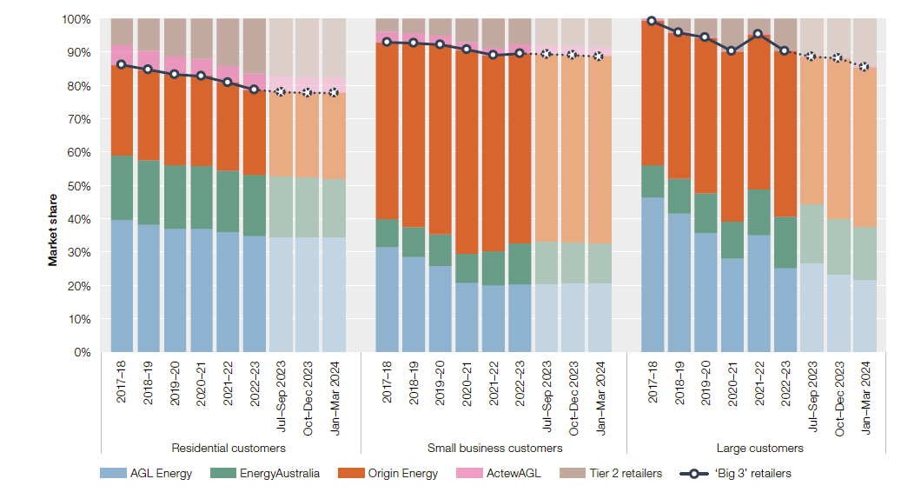
 |  | AGL Energy | EnergyAustralia | Origin Energy | ActewAGL | Tier 2 retailers | 'Big 3' retailers
Residential customers | 2017–18 | 826,589 | 400,342 | 565,486 | 128,194 | 161,347 | 86%
 | 2018–19 | 822,787 | 415,262 | 587,158 | 121,203 | 207,163 | 85%
 | 2019–20 | 818,844 | 421,791 | 602,748 | 119,029 | 248,099 | 83%
 | 2020–21 | 831,405 | 420,854 | 606,395 | 116,200 | 268,797 | 83%
 | 2021–22 | 815,691 | 416,206 | 601,645 | 110,973 | 319,311 | 81%
 | 2022-23 | 798,917 | 419,496 | 582,190 | 115,666 | 372,657 | 79%
 | Jul – Sep 2023 | 798,637 | 419,680 | 583,161 | 115,890 | 390,917 | 78%
 | Oct – Dec 2023 | 797,033 | 412,695 | 588,271 | 115,031 | 396,986 | 78%
 | Jan – Mar 2024 | 799,182 | 407,402 | 595,263 | 115,177 | 399,971 | 78%
Small business customers | 2017–18 | 23,099 | 6,175 | 38,950 | 2,446 | 2,738 | 93%
 | 2018–19 | 22,782 | 7,071 | 43,900 | 2,366 | 3,450 | 93%
 | 2019–20 | 21,408 | 7,711 | 47,241 | 2,265 | 4,092 | 92%
 | 2020–21 | 17,501 | 7,272 | 51,608 | 2,104 | 5,714 | 91%
 | 2021–22 | 16,937 | 8,675 | 49,876 | 2,107 | 7,199 | 89%
 | 2022-2023 | 16,255 | 9,831 | 45,882 | 2,181 | 6,070 | 90%
 | Jul – Sep 2023 | 16,423 | 9,857 | 44,864 | 2,213 | 6,191 | 89%
 | Oct – Dec 2023 | 16,246 | 9,555 | 44,233 | 2,217 | 6,324 | 89%
 | Jan – Mar 2024 | 16,071 | 9,299 | 43,538 | 2,218 | 6,523 | 89%
Large customers | 2017–18 | 1,833 | 380 | 1,710 | 21 | 6 | 99%
 | 2018–19 | 1,999 | 501 | 2,113 | 19 | 183 | 96%
 | 2019–20 | 1,636 | 534 | 2,134 | 14 | 243 | 94%
 | 2020–21 | 1,216 | 490 | 2,220 | 8 | 417 | 90%
 | 2021–22 | 1,440 | 573 | 1,916 | 20 | 172 | 95%
 | 2022-2023 | 1,310 | 814 | 2,606 | 5 | 499 | 90%
 | Jul – Sep 2023 | 1,298 | 848 | 2,131 | 4 | 543 | 89%
 | Oct – Dec 2023 | 1,168 | 818 | 2,387 | 4 | 586 | 88%
 | Jan – Mar 2024 | 1,082 | 788 | 2,376 | 4 | 713 | 86%

 |  | RGB
 |  | 55 | 135 | 168
 |  | 158 | 197 | 183
 |  | 224 | 96 | 31
 |  | 210 | 20 | 125
 |  | 47 | 63 | 81

Figure 6.18
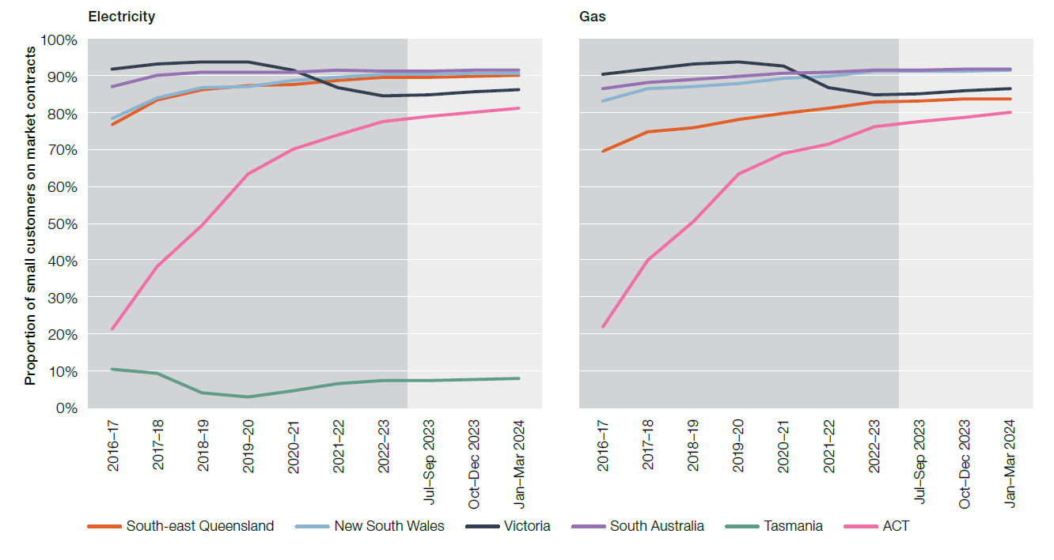
To contents page
Figure 6.18 Small customers on market contracts

Note: Standing and market offer shares are based on the number of small customers at 31 March 2023 except Victoria (June 2023). Queensland electricity numbers exclude customers in regional Queensland, who largely remain on standing offers.
Source: AER, Retail markets quarterly, Q3 2023–24, July 2024; Victorian energy market dashboard and historical data, accessed 23 August 2024.

 | Electricity
 | 2016–17 | 2017–18 | 2018–19 | 2019–20 | 2020–21 | 2021–22 | 2022-23 | Jul – Sep 2023 | Oct – Dec 2023 | Jan – Mar 2024
South-east Queensland | 77% | 84% | 86% | 87% | 88% | 89% | 90% | 90% | 90% | 90%
New South Wales | 78% | 84% | 87% | 87% | 89% | 90% | 90% | 90% | 91% | 91%
Victoria | 92% | 93% | 94% | 94% | 92% | 87% | 85% | 85% | 86% | 86%
South Australia | 87% | 90% | 91% | 91% | 91% | 92% | 91% | 91% | 92% | 92%
ACT | 21% | 38% | 50% | 63% | 70% | 74% | 77% | 79% | 80% | 81%
Tasmania | 10% | 9% | 4% | 3% | 5% | 7% | 7% | 7% | 8% | 8%

 | Gas
South east Queensland | 2016–17 | 2017–18 | 2018–19 | 2019–20 | 2020–21 | 2021–22 | 2022-23 | Jul – Sep 2023 | Oct – Dec 2023 | Jan – Mar 2024
South-east Queensland | 70% | 75% | 76% | 78% | 80% | 81% | 83% | 83% | 84% | 84%
New South Wales | 83% | 86% | 87% | 88% | 89% | 90% | 91% | 91% | 91% | 92%
Victoria | 91% | 92% | 93% | 94% | 93% | 87% | 85% | 85% | 86% | 87%
South Australia | 86% | 88% | 89% | 90% | 91% | 91% | 92% | 92% | 92% | 92%
ACT | 22% | 40% | 51% | 63% | 69% | 72% | 76% | 77% | 79% | 80%
Tasmania

Figure 6.19
To contents page
Figure 6.19 Energy consumer sentiment

Source:Energy Consumers Australia, Energy consumer sentiment survey, June 2024.

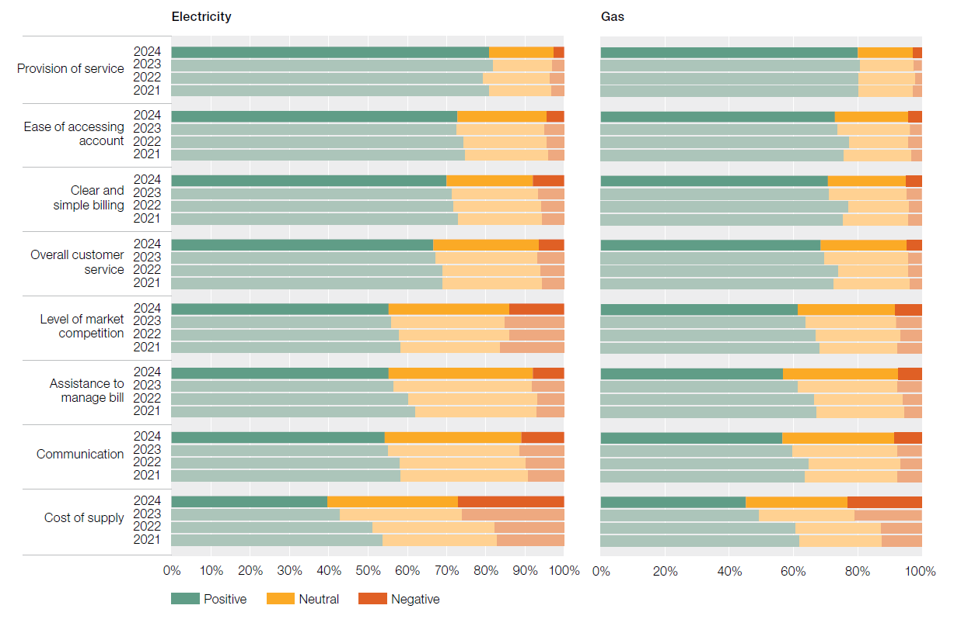
 |  | Electricity |  |  | Gas
 |  | Positive | Neutral | Negative | Positive | Neutral | Negative
Provision of service | 2024 | 81% | 16% | 3% | 80% | 17% | 3%
 | 2023 | 82% | 15% | 3% | 81% | 17% | 3%
 | 2022 | 79% | 17% | 4% | 80% | 18% | 2%
 | 2021 | 81% | 16% | 3% | 80% | 17% | 3%
Ease of accessing account | 2024 | 73% | 23% | 5% | 73% | 23% | 4%
 | 2023 | 73% | 22% | 5% | 74% | 22% | 4%
 | 2022 | 74% | 21% | 5% | 78% | 18% | 4%
 | 2021 | 75% | 21% | 4% | 76% | 21% | 3%
Clear and simple billing | 2024 | 70% | 22% | 8% | 71% | 24% | 5%
 | 2023 | 71% | 22% | 7% | 71% | 24% | 5%
 | 2022 | 72% | 22% | 6% | 77% | 19% | 4%
 | 2021 | 73% | 21% | 6% | 75% | 20% | 4%
Overall customer service | 2024 | 67% | 27% | 7% | 68% | 27% | 5%
 | 2023 | 67% | 26% | 7% | 70% | 26% | 4%
 | 2022 | 69% | 25% | 6% | 74% | 22% | 4%
 | 2021 | 69% | 25% | 6% | 72% | 24% | 4%
Level of market competition | 2024 | 55% | 31% | 14% | 61% | 31% | 8%
 | 2023 | 56% | 29% | 15% | 64% | 28% | 8%
 | 2022 | 58% | 28% | 14% | 67% | 26% | 7%
 | 2021 | 58% | 25% | 16% | 68% | 24% | 8%
Assistance to manage bill | 2024 | 55% | 37% | 8% | 57% | 36% | 7%
 | 2023 | 57% | 35% | 8% | 61% | 31% | 8%
 | 2022 | 60% | 33% | 7% | 66% | 28% | 6%
 | 2021 | 62% | 31% | 7% | 67% | 27% | 5%
Communication | 2024 | 54% | 35% | 11% | 57% | 35% | 9%
 | 2023 | 55% | 34% | 11% | 60% | 32% | 8%
 | 2022 | 58% | 32% | 10% | 65% | 28% | 7%
 | 2021 | 58% | 32% | 9% | 64% | 29% | 8%
Cost of supply | 2024 | 40% | 33% | 27% | 45% | 32% | 23%
 | 2023 | 43% | 31% | 26% | 49% | 30% | 21%
 | 2022 | 51% | 31% | 18% | 61% | 27% | 13%
 | 2021 | 54% | 29% | 17% | 62% | 26% | 12%

Figure 6.20
To contents page
Figure 6.20 Switching activity – small customers

Source: AER, Quarterly retail performance report, Q3 2023–24, June 2024.

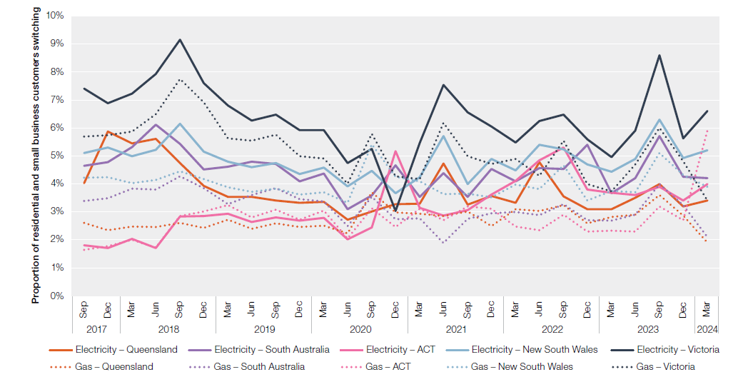
 |  | Electricity – Queensland | Electricity – South Australia | Electricity – ACT | Electricity – New South Wales | Electricity – Victoria | Gas – Queensland | Gas – South Australia | Gas – ACT | Gas – New South Wales | Gas – Victoria | Gas – Victoria | Electricity | Gas
2017 | Sep | 4.0% | 4.6% | 1.8% | 5.1% | 7.4% | 2.6% | 3.4% | 1.7% | 4.2% | 5.7% | 5.7%
 | Dec | 5.9% | 4.8% | 1.7% | 5.3% | 6.9% | 2.3% | 3.5% | 1.8% | 4.2% | 5.7% | 5.7%
2018 | Mar | 5.4% | 5.3% | 2.0% | 5.0% | 7.2% | 2.5% | 3.8% | 2.0% | 4.0% | 5.9% | 5.9%
 | Jun | 5.6% | 6.1% | 1.7% | 5.2% | 7.9% | 2.5% | 3.8% | 1.7% | 4.1% | 6.5% | 6.5%
 | Sep | 4.8% | 5.4% | 2.8% | 6.1% | 9.1% | 2.6% | 4.3% | 2.9% | 4.5% | 7.7% | 7.7%
 | Dec | 3.9% | 4.5% | 2.9% | 5.1% | 7.6% | 2.4% | 3.8% | 3.0% | 4.2% | 6.9% | 6.9%
2019 | Mar | 3.5% | 4.6% | 2.9% | 4.8% | 6.8% | 2.7% | 3.3% | 3.2% | 3.9% | 5.6% | 5.6%
 | Jun | 3.5% | 4.8% | 2.6% | 4.6% | 6.3% | 2.4% | 3.6% | 2.8% | 3.7% | 5.5% | 5.5%
 | Sep | 3.4% | 4.7% | 2.8% | 4.7% | 6.5% | 2.6% | 3.8% | 3.1% | 3.8% | 5.8% | 5.8%
 | Dec | 3.3% | 4.1% | 2.7% | 4.3% | 5.9% | 2.5% | 3.5% | 2.7% | 3.6% | 5.0% | 5.0%
2020 | Mar | 3.4% | 4.4% | 2.8% | 4.6% | 5.9% | 2.5% | 3.4% | 3.0% | 3.7% | 4.9% | 4.9%
 | Jun | 2.7% | 3.1% | 2.0% | 3.9% | 4.7% | 2.2% | 2.5% | 2.1% | 3.3% | 4.0% | 4.0%
 | Sep | 3.0% | 3.6% | 2.4% | 4.5% | 5.2% | 3.7% | 3.5% | 3.1% | 5.4% | 5.8% | 5.8%
 | Dec | 3.3% | 4.7% | 5.2% | 3.7% | 3.0% | 3.0% | 2.7% | 2.5% | 4.3% | 4.3% | 4.3%
2021 | Mar | 3.3% | 3.5% | 3.1% | 4.2% | 5.5% | 2.9% | 2.8% | 3.1% | 4.1% | 4.2% | 4.2%
 | Jun | 4.7% | 4.4% | 2.9% | 5.7% | 7.5% | 2.8% | 1.9% | 2.7% | 3.6% | 6.2% | 6.2%
 | Sep | 3.3% | 3.5% | 3.1% | 4.0% | 6.6% | 3.0% | 2.8% | 3.2% | 3.7% | 5.0% | 5.0%
 | Dec | 3.6% | 4.5% | 3.6% | 4.9% | 6.1% | 2.5% | 3.0% | 3.1% | 3.5% | 4.7% | 4.7%
2022 | Mar | 3.3% | 4.1% | 4.1% | 4.5% | 5.5% | 3.1% | 3.0% | 2.5% | 4.0% | 4.9% | 4.9%
 | Jun | 4.8% | 4.6% | 4.8% | 5.4% | 6.2% | 3.0% | 2.9% | 2.4% | 3.8% | 4.3% | 4.3%
 | Sept | 3.6% | 4.5% | 5.3% | 5.2% | 6.5% | 3.2% | 3.3% | 2.9% | 4.7% | 5.5% | 5.5%
 | Dec | 3.1% | 5.4% | 3.8% | 4.7% | 5.6% | 2.6% | 2.7% | 2.3% | 3.4% | 4.0% | 4.0%
2023 | Mar | 3.1% | 3.7% | 3.7% | 4.4% | 5.0% | 2.8% | 2.7% | 2.3% | 3.8% | 3.7% | 3.7%
 | Jun | 3.5% | 4.2% | 3.6% | 4.9% | 5.9% | 2.9% | 2.9% | 2.3% | 3.7% | 4.7% | 4.7%
 | Sept | 4.0% | 5.7% | 3.9% | 6.3% | 8.6% | 3.6% | 4.0% | 3.2% | 5.1% | 6.0% | 6.0%
 | Dec | 3.2% | 4.3% | 3.4% | 4.9% | 5.6% | 2.9% | 3.3% | 2.7% | 4.3% | 4.8% | 4.8%
2024 | Mar | 3.4% | 4.2% | 4.0% | 5.2% | 6.6% | 1.9% | 2.1% | 5.9% | 3.9% | 3.4% | 3.4%

Figure 6.21
To contents page
Figure 6.21 Complaints received, by energy retailers

Note: Billing includes complaints about prices, billing errors, payment arrangements and debt recovery practices. Customer transfer includes complaints about timeliness of transfer, disruption of supply due to transfer and billing problems directly associated with a transfer. Marketing includes complaints about sales practices, advertising, contract terms and misleading conduct. Smart meters includes all complaints related to metering contestability. Complaints do not sum to 100% as some customer complaints defined as ‘other’ are not included in the above data. ‘Other’ complaints relate to issues outside the retailer’s control – for example, complaints about price rises due to wholesale and network costs.
Source: AER, Retail markets quarterly, Q3 2023–24, May 2024; ESC, Victorian energy market dashboard and historical data as of 30 June 2024.

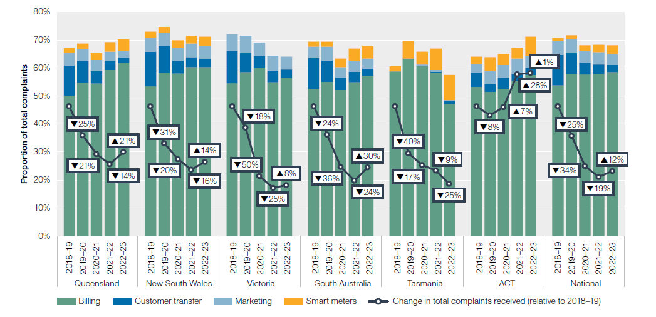
 |  | Billing | Other | Customer transfer | Marketing | Smart meters | Change in total complaints received (relative to 2018–19)
Queensland | 2017–18 | 26,770 | 13,647 | 6,515 | 3,249 | -
 | 2018–19 | 19,667 | 12,906 | 4,242 | 1,746 | 713 | ↓22%
 | 2019–20 | 16,177 | 9,270 | 2,334 | 1,239 | 582 | ↓25%
 | 2020–21 | 12,670 | 8,070 | 1,038 | 906 | 591 | ↓21%
 | 2021–22 | 11,838 | 6,140 | 587 | 683 | 696 | ↓14%
 | 2022–23 | 14,929 | 7,211 | 463 | 543 | 1,015 | ↑21%
New South Wales | 2017–18 | 66,161 | 26,777 | 15,760 | 6,661 | -
 | 2018–19 | 59,186 | 30,013 | 13,788 | 5,560 | 2,406 | ↓4%
 | 2019–20 | 44,431 | 19,399 | 7,371 | 3,634 | 1,482 | ↓31%
 | 2020–21 | 35,463 | 18,433 | 2,852 | 2,799 | 1,656 | ↓20%
 | 2021–22 | 30,879 | 14,564 | 1,803 | 2,557 | 1,423 | ↓16%
 | 2022–23 | 35,277 | 16,847 | 1,726 | 2,650 | 2,043 | ↑14%
Victoria | 2017–18 | 63,946 | 38,241 | 16,214 | 8,991 | -
 | 2018–19 | 69,225 | 35,471 | 14,513 | 7,519 | - | ↓1%
 | 2019–20 | 60,662 | 29,607 | 7,030 | 6,435 | - | ↓18%
 | 2020–21 | 31,118 | 16,021 | 2,245 | 2,516 | - | ↓50%
 | 2021–22 | 21,306 | 13,878 | 1,644 | 2,000 | - | ↓25%
 | 2022–23 | 23,594 | 15,099 | 1,338 | 1,860 | - | ↑8%
South Australia | 2017–18 | 20,169 | 9,921 | 5,430 | 2,126 | -
 | 2018–19 | 18,428 | 10,748 | 3,816 | 1,457 | 595 | ↓7%
 | 2019–20 | 14,708 | 8,201 | 2,029 | 1,312 | 471 | ↓24%
 | 2020–21 | 8,892 | 6,241 | 732 | 648 | 526 | ↓36%
 | 2021–22 | 7,135 | 4,299 | 489 | 494 | 585 | ↓24%
 | 2022–23 | 9,626 | 5,422 | 435 | 596 | 759 | ↑30%
Tasmania | 2017–18 | 11,688 | 5,896 | - | - | -
 | 2018–19 | 12,015 | 8,045 | - | 2 | 351 | ↑16%
 | 2019–20 | 7,764 | 3,725 | 2 | 1 | 773 | ↓40%
 | 2020–21 | 6,201 | 3,488 | 20 | 27 | 465 | ↓17%
 | 2021–22 | 5,427 | 3,075 | 30 | 63 | 712 | ↓9%
 | 2022–23 | 3,301 | 2,972 | 72 | 17 | 633 | ↓25%
ACT | 2017–18 | 901 | 500 | 50 | 51 | -
 | 2018–19 | 895 | 606 | 86 | 51 | 43 | ↑12%
 | 2019–20 | 799 | 561 | 44 | 72 | 78 | ↓8%
 | 2020–21 | 876 | 585 | 67 | 76 | 65 | ↑7%
 | 2021–22 | 1,182 | 699 | 53 | 118 | 84 | ↑28%
 | 2022–23 | 1,240 | 620 | 54 | 91 | 150 | ↑1%
National | 2017–18 | 189,635 | 94,982 | 43,969 | 21,078 | -
 | 2018–19 | 179,416 | 97,789 | 36,445 | 16,335 | 4,108 | ↓4%
 | 2019–20 | 144,541 | 70,763 | 18,810 | 12,693 | 3,386 | ↓25%
 | 2020–21 | 95,220 | 52,838 | 6,954 | 6,972 | 3,303 | ↓34%
 | 2021–22 | 77,767 | 42,655 | 4,606 | 5,915 | 3,500 | ↓19%
 | 2022–23 | 87,967 | 48,171 | 4,088 | 5,757 | 4,600 | ↑12%

Figure 6.22
To contents page
Figure 6.22 Complaints received by jurisdictional ombudsmen

Note: Annual change in total complaints data includes all cases recorded by ombudsman schemes for electricity and gas industries. Annual change in total complaints data includes enquiries and complaints in relation to energy retailers, distribution networks and embedded network operators. Specific complaint type data includes all cases recorded by ombudsman schemes for electricity, gas and water industries. The proportion of water related complaints is immaterial.
Source: Annual reports by ombudsman schemes in Queensland, New South Wales, Victoria, and South Australia.

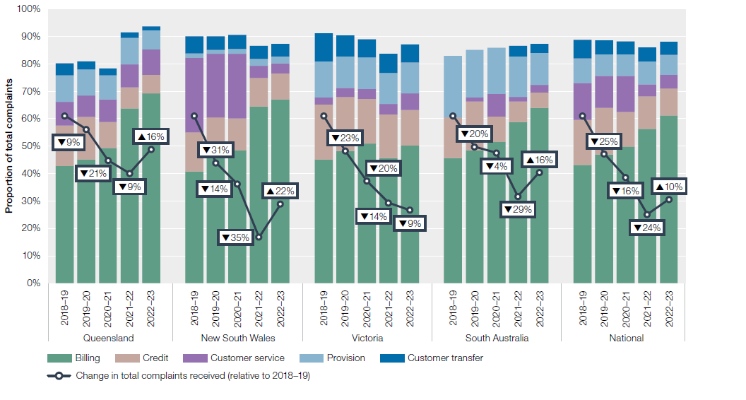
 |  | Billing | Other | Credit | Customer service | Provision | Customer transfer | Change in total complaints received (relative to 2018–19)
Queensland | 2016–17 | 3,326 | 1,356 | 1,265 | 502 | 379 | 173
 | 2017–18 | 4,072 | 1,692 | 1,313 | 736 | 881 | 466
 | 2018–19 | 3,232 | 1,488 | 1,130 | 639 | 732 | 344 | ↓17%
 | 2019–20 | 3,109 | 1,314 | 1,076 | 536 | 655 | 199 | ↓9%
 | 2020–21 | 2,715 | 1,183 | 518 | 454 | 481 | 138 | ↓20%
 | 2021–22 | 3,205 | 419 | 385 | 421 | 489 | 106 | ↓8%
 | 2022–23 | 4,030 | 358 | 386 | 542 | 407 | 87 | ↑16%
New South Wales | 2016–17 | 13,428 | 2,932 | 4,993 | 10,350 | 582 | 2,149
 | 2017–18 | 15,904 | 2,997 | 5,591 | 12,331 | 674 | 2,339
 | 2018–19 | 15,472 | 3,768 | 5,408 | 10,277 | 649 | 2,310 | ↓5%
 | 2019–20 | 12,030 | 2,589 | 3,829 | 6,075 | 365 | 1,309 | ↓31%
 | 2020–21 | 10,938 | 2,104 | 2,637 | 5,299 | 416 | 1,142 | ↓14%
 | 2021–22 | 9,461 | 1,955 | 1,546 | 626 | 394 | 694 | ↓35%
 | 2022–23 | 11,972 | 2,244 | 1,712 | 649 | 446 | 829 | ↑22%
Victoria | 2016–17 | 12,863 | 2,260 | 8,245 | 355 | 3,691 | 3,583
 | 2017–18 | 13,067 | 2,544 | 8,121 | 522 | 5,187 | 4,077
 | 2018–19 | 13,699 | 2,689 | 6,109 | 746 | 3,976 | 3,089
 | 2019–20 | 11,255 | 2,216 | 4,633 | 752 | 2,693 | 1,784 | ↓23%
 | 2020–21 | 9,571 | 2,049 | 3,025 | 694 | 2,154 | 1,242 | ↓20%
 | 2021–22 | 7,344 | 2,604 | 2,547 | 614 | 1,822 | 1,107 | ↓14%
 | 2022–23 | 7,685 | 1,967 | 1,972 | 907 | 1,733 | 998 | ↓5%
South Australia | 2016–17 | 3,543 | 1,182 | 1,453 | 247 | 751 | -
 | 2017–18 | 4,016 | 942 | 1,086 | - | 1,369 | -
 | 2018–19 | 4,463 | 1,663 | 1,433 | - | 2,190 | -
 | 2019–20 | 3,770 | 1,153 | 1,387 | 114 | 1,342 | - | ↓20%
 | 2020–21 | 3,838 | 1,048 | 699 | 616 | 1,252 | - | ↓4%
 | 2021–22 | 3,136 | 711 | 394 | 87 | 791 | 201 | ↓29%
 | 2022–23 | 3,939 | 773 | 355 | 166 | 719 | 210 | ↑16%
National | 2016–17 | 33,160 | 7,730 | 15,956 | 11,454 | 5,403 | 5,905
 | 2017–18 | 37,059 | 8,175 | 16,111 | 13,589 | 8,111 | 6,882
 | 2018–19 | 36,866 | 9,608 | 14,080 | 11,662 | 7,547 | 5,743
 | 2019–20 | 30,164 | 7,272 | 10,925 | 7,477 | 5,055 | 3,292 | ↓25%
 | 2020–21 | 27,062 | 6,384 | 6,879 | 7,063 | 4,303 | 2,522 | ↓16%
 | 2021–22 | 23,146 | 5,689 | 4,872 | 1,748 | 3,496 | 2,108 | ↓24%
 | 2022–23 | 27,626 | 5,342 | 4,425 | 2,264 | 3,305 | 2,124 | ↑10%

Figure 6.23
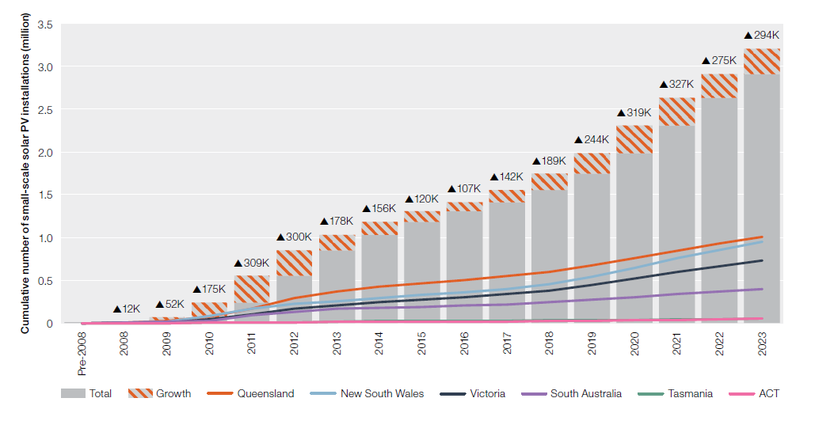
To contents page
Figure 6.23 Small-scale solar PV installations

Note: Small-scale generation units have a capacity of no more than 100 kilowatts (kW) and a total annual electricity output of less than 250 megawatt hours (MWh).
Source:Clean Energy Regulator, Postcode data for small-scale installations, data as at 8 August 2024.

 | Prior to 2008 | 2008 | 2009 | 2010 | 2011 | 2012 | 2013 | 2014 | 2015 | 2016 | 2017 | 2018 | 2019 | 2020 | 2021 | 2022 | 2023
New South Wales | 1,690 | 2,890 | 14,008 | 69,988 | 80,272 | 53,961 | 33,998 | 37,210 | 33,478 | 29,498 | 43,253 | 59,329 | 77,630 | 110,788 | 110,228 | 93,079 | 104,526
ACT | 67 | 278 | 803 | 2,323 | 6,860 | 1,522 | 2,411 | 1,225 | 1,066 | 1,001 | 1,946 | 3,206 | 3,808 | 5,577 | 6,465 | 9,061 | 8,364
Victoria | 1,566 | 2,036 | 8,429 | 35,676 | 60,214 | 66,204 | 33,332 | 40,061 | 31,354 | 26,740 | 31,358 | 47,216 | 61,740 | 74,310 | 83,137 | 62,485 | 67,487
Queensland | 1,591 | 3,087 | 18,283 | 48,697 | 95,303 | 130,252 | 71,197 | 57,748 | 39,507 | 34,423 | 46,448 | 55,087 | 70,711 | 88,408 | 90,193 | 77,370 | 80,408
South Australia | 2,524 | 3,456 | 8,569 | 16,705 | 63,553 | 41,851 | 29,187 | 15,166 | 12,081 | 12,604 | 16,190 | 21,895 | 27,089 | 36,347 | 32,598 | 29,152 | 27,707
Tasmania | 69 | 161 | 1,452 | 1,889 | 2,475 | 6,364 | 7,658 | 4,207 | 2,020 | 2,487 | 2,393 | 2,642 | 2,894 | 3,363 | 4,115 | 4,114 | 5,581
Total | 7,507 | 11,908 | 51,544 | 175,278 | 308,677 | 300,154 | 177,783 | 155,617 | 119,506 | 106,753 | 141,588 | 189,375 | 243,872 | 318,793 | 326,736 | 275,261 | 294,073

Figure 6.24
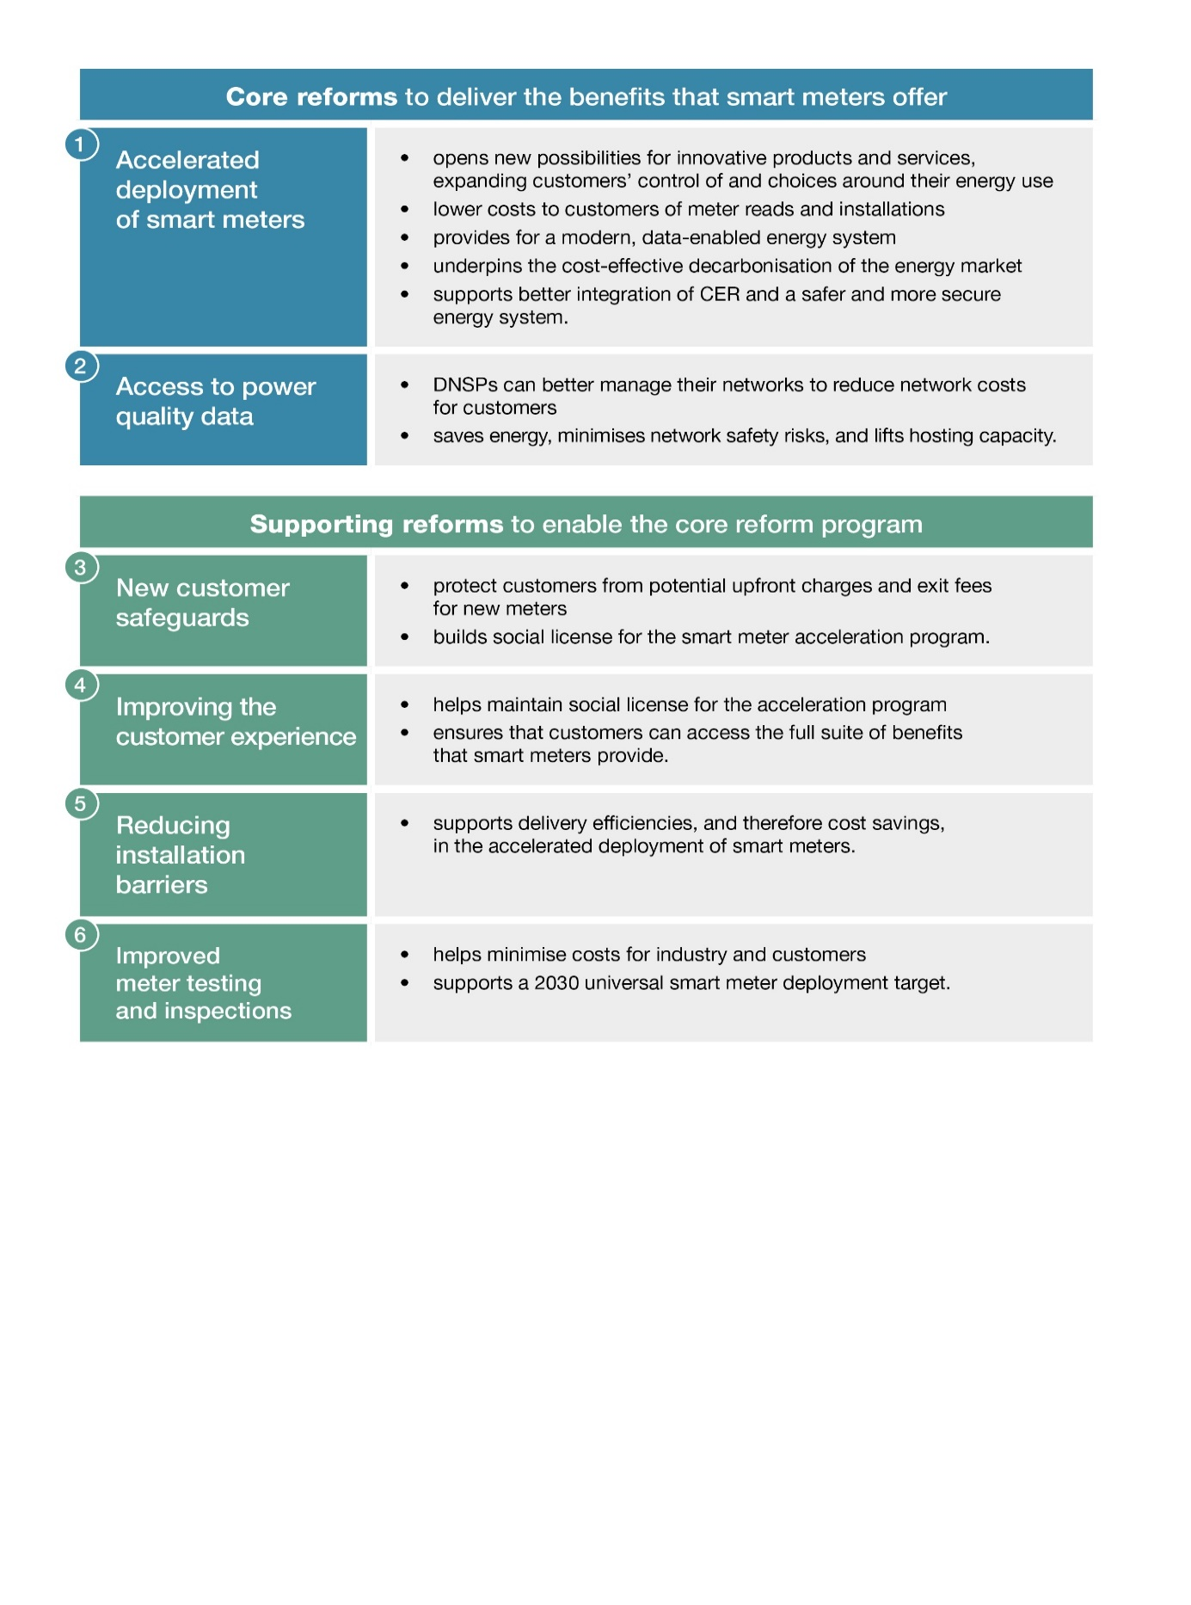
Figure 6.24 Reforms to deliver the benefits that smart meters offer
To contents page

Source: Australian Energy Market Commission, Accelerating smart meter deployment, accessed 10 September 2024

